WV CRS Review KAD 20191026
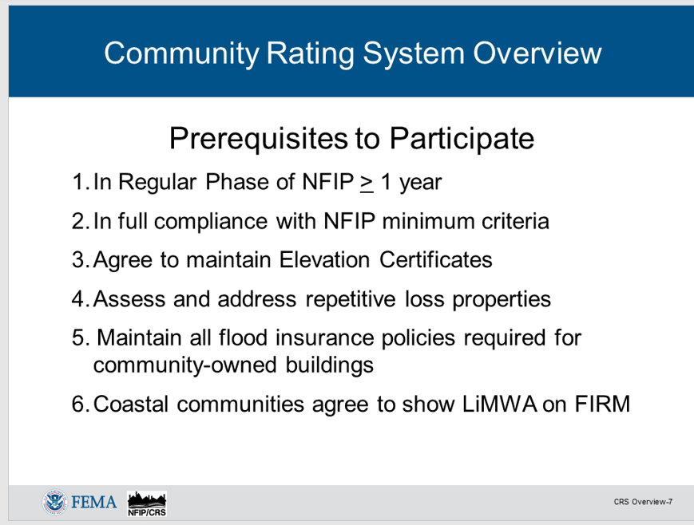
Compiled by Kurt Donaldson
CRS Activities and Elements | CRS Code | Description | Max. Points | Page | US CRS 75% | WV CRS | Community Questions | Web | GIS Source Data | Special Notes | Related Activities

200 Series: Procedures
213a, 222 |  | Buildings in the SFHA (bSF) |  | 210-13 | US | WV | Do you know the current total number of buildings in the effective SFHA (bSF)? This is required for a CRS Application/Renewal and for impact adjustments of certain CRS credits. | Flood Tool | Flood Risk Assessment GIS | Item 6 of CRS Program Data Table. bSF needed for impact adjustment. | 301a, 302a
213a, 222 |  | Acreage of the SFHA (aSFHA) |  | 210-13 | US | WV | Do you know the current acreage of the SFHA (aSFHA)? This is required for a CRS Application/Renewal and for impact adjustments of certain CRS credits. | CID Web | Flood Risk Assessment GIS, Changes Since Last FIRM | Item 13 of CRS Program Data Table, aSFHA needed for impact adjustment. Use the FEMA CSLF layer to compute Item 11. | 403b, 403e
210 |  | Insured Community-owned Buildings |  | 210-2 | US | WV | Does your community maintain flood insurance policies required for all community-owned buildings? |  | Local Government Bldgs. | CRS Class 9 Pre-requisite

300 Series: Public Information Activities
310 (Elevation Certificates)
a | EC | Elevation Certificates after CRS application | 38 | 310-12 | US | WV | Do you keep FEMA Elevation Certificates on all new buildings and substantial improvements in the SFHA and check that they are correctly filled out? This also applies to FEMA Flood-proofing Certificates. | Food Tool | Elevation Ceriticates - FPM | CRS Class 9 Pre-requisite | 330a, 350c, 440a
b | ECPO | Elevation Certificate on post-FIRM buildings | 48 | 310-13 |  |  | Do you have FEMA Elevation Certificates on buildings built before your CRS application? |  |  | Building year can be obtained from assessment records
c | ECPR | Elevation Certificate on pre-FIRM buildings | 30 | 310-15 |  |  |  |  |  | Building year can be obtained from assessment records
320 (Map Information Service)
a | MI1 | Providing insurance information from FIRM | 30 | 320-8 | US | WV | Do you provide basic FIRM information? Do you log inquiries form the public? | Food Tool | Basic FIRM Information; FEMA NFHL | Prerequisite for the rest of the elements. Refer to 321.b Activity Credit Criteria. Keep a record of service using Building Identifier.
b | MI2 | Floodway info | 20 | 320-10 | US | WV | Do you provide information about the Regulatory Floodway? How many structures are located in floodway? | Food Tool | FEMA NFHL
c | MI3 | Other flood problems not shown on FIRM | 20 | 320-11 |  | WV | Do you provide information about the 500-YR Flood Zone or High Risk Advisory Zones? Do you provide information about dam/levee failure inundation zones? | Flood Tool | 500-YR Floodplains; Levee-protected zones; High Risk Advisory Zones | No dam or levee breach maps are published to the WV Flood Tool at the moment. Ongoing interagency coordination between FEMA and USACE.
d | MI4 | Flood depth data | 20 | 320-11 |  | WV | Do you provide information about water depths? Which community structures have highest water depths? | Food Tool | Depth Grids (HEC-RAS and Hazus); Flood heights and ground elevations
e | MI5 | Special flood-related hazards | 20 | 320-13 |  | ? | Do you provide information about special flood-related hazards such as debris flows or landslides? | Flood Tool | Landslide Inventory: Debris Flows/Mudflows | The inquirers must be told what precautions should be taken when developing or improving properties in the vicinity of hazard mudflows. Link to Landslide Mitigation web page.
f | MI6 | Historical/repetitive flood information | 20 | 320-14 |  | ? | Do you provide public information about past flooding to include reviewing repetitive loss areas? This can include transportation or other infrastructure (highways, railroads, bridges; etc.) closed because of high water. | Flood Tool | USGS HWM, Mapped Repetitive Loss Areas, Story Maps | Relevant available information should be provided, such as the dates of past flooding in the area, whether people were killed or injured, and the amount of warning time. Listing of closed highways and bridges during flood events. Some of this information may be available from the community’s floodplain management or hazard mitigation plan or the community’s CRS Self Assessment conducted under Section 240. Link to Community Profiles with relevant Flood Disaster History information to include Story Maps.
g | MI7 | Natural floodplain functions | 20 | 320-15 |  | WV | Have you identified and mapped areas that should be protected because of their natural floodplain functions? | Food Tool | NWI Wetlands/WV WRR; USFWS/State DNR critical habitats
 |  |  | 150 |  |  | 90 |  |  |  | The max credit for Activity 320 is 90 points. | 321b

330 (Outreach Projects)
a | OP | Outreach projects | 200 | 330-6 | US | WV | Do you provide flood-related informational brochure, flyer, or other document that is set out for the public to pick up? Has your community implemented informational, general, and targeted outreach projects? | CID Web
b | FRP | Flood response preparations | 50 | 330-9
c | PPI | Program for Public Information bonus | N/A | 330-14
d | STK | Stakeholder bonus | 50 | 330-20
340 (Hazard Disclosure)
a | DFH | Real estate agent disclosure of SFHA | 35 | 340-3 |  |  | Do real estate agents notify those interested in purchasing properties located in the SFHA about the flood hazard and the flood insurance purchase requirement?
b | ODR | Other disclosure requirements | 25 | 340-5 | US | WV | Does the community have a law or ordinance language that requires one or more disclosure methods prior to the time of sale or rental of a property? | CID Web
c | REB | Real estate brochure | 12 | 340-7 |  |  | Do real estate agents give house hunters a brochure or handout advising them to check out the flood hazard before they buy?
d | DOH | Disclosure of other hazards | 8 | 340-10 |  |  | Does the community have a disclosure of other hazards (DOH) like dam and levee failure?
350 (Flood Protection Information)
a | LIB | Library | 10 | 350-3 | US | WV | Are the FEMA publications listed in Figure 350-1 of CRS Manual cataloged and available in the community’s library?
b | LPD | Locally pertinent documents in the library | 10 | 350-5 |  | WV | Are other locally pertinent documents (LPD) in the community’s local public library?
c | WEB | Website | 105 | 350-7 | US | WV | Are you posting of Elevation Certificates, real-time gage information, and flood protection messages conveyed under Activity 330 (Outreach Projects) on a website? | Flood Tool |  |  | 330
360 (Flood Protection Assistance)
a | PPA | Property protection advice | 40 | 360-4 |  | WV | Do you visit homes and help people determine how they could reduce their flooding or drainage problem?
b | PPV | Advice after a site visit | 45 | 360-6
c | FAA | Financial assistance advice | 15 | 360-7
d | TNG | Training | 10 | 360-10
370 (Flood Insurance Promotion)
a | FIA | Flood insurance assessment | 15 | 370-3 |  |  | Have you reviewed all your community's flood insurance policies and analyzed where coverage should be improved?
b | CP | Coverage plan | 15 | 370-6
c | CPI | Plan implementation | 60 | 370-9
d | TA | Technical assistance | 20 | 370-12

400 Series: Mapping and Regulations |  |  | Max. Points | Page | US CRS | WV CRS | Community Questions | Web | Source Data | Special Notes | Related Activities
410 (Floodplain Mapping)
a | NS | New study | 350 | 410-8 |  | ? | Have you conducted your own flood studies (not FEMA sponsored) and do you use the data when regulating new development? |  |  | Communities that have received this credit: Berekeley and Jefferson counties; Buckhannon, Martinsburg. Resolve with Christina Groves regarding credit for Advisory Flood Heights in Approximate A Zones.
b | LEV | Leverage | N/A | 410-14
c | SR | State review | 60 | 410-16
d | HSS | Higher study standards | 200 | 410-18 |  | WV | Has the community implemented a higher flood study standard? |  |  | Credit awarded to Berkeley County and town of Buckhannon
e | FWS | Floodway standard | 140 | 410-21
f | MAPSH | Special hazards mapping | 100 | 410-24 |  |  | Mapping of debris flow or mudflow hazards.
420 (Open Space Preservation)
a | OSP | Preserved open space | 1,450 | 420-3 | US | WV | What percentage of your Special Flood Hazard Area is kept as park or other publicly preserved open space? | Flood Tool | PAD-US and other protected land sourcees. Buyout properties. | Credited open space includes public parks, athletic fields, golf courses, church camps, hunting clubs, and other green space that will be preserved as open space.
b | DR | Deed restriction | 50 | 420-12 |  | WV | How many parcels in the SFHA are deed restricted and always remain open space? | Flood Tool | Buyout Properties | The restriction cannot be changed by a future owner; rather, it can only be amended by a court for just cause. Note that every parcel for DR credit must have already qualified for OSP credit.
c | NFOS | Natural functions open space | 350 | 420-14 |  | WV | Are some of those parks or other publicly preserved open spaces preserved in or restored to their original natural state? | Flood Tool |  | OSP parcels that are preserved in or restored to their natural state. on, graded, or farmed), designated as critical habitat for T&E species, or "green-infrastructure" corridors
d | SHOS | Special hazards open space | 150 | 420-19
e | CEOS | Coastal erosion open space | 750 | 420-20
f | OSI | Open space incentives | 250 | 420-21 |  | WV | Has your community adopted regulations for farmland preservation, drainage easements, or for other vacant land purposes?
g | LZ | Low density zoning | 600 | 420-28
h | NSP | Natural shoreline protection | 120 | 420-30
430 (Higher Regulatory Standards)
a | DL | Development limitations | 1,330 | 430-6 |  | WV | Does your community prohibit filling or require compensatory storage in all or parts of the SFHA? Does your community prohibit certain types of buildings from all or parts of the SFHA? Does your community prohibit or limit the storage of hazardous materials from all or parts of the SFHA? | CID Web |  | Relevant Ordinance
b | FRB | Freeboard | 500 | 430-11 |  | WV | What is your community's freeboard requirement? | CID Web
c | FDN | Foundation protection | 80 | 430-16 |  | WV | Does your community provide foundation protection regulatoions thta protects against differential settling as well as scour and erosion? | CID Web
d | CSI | Cumulative substantial improvements | 90 | 430-18 |  | WV | Do you track building improvements and repairs cumulatively and add the values up to reach the 50% threshold? | CID Web
e | LSI | Lower substantial improvements | 20 | 430-19 |  | WV | Is the regulatory threshold for determining if a building is substantially improved or substantially damaged less than 50%? | CID Web
f | PCF | Protection of critical facilities | 80 | 430-21 |  |  | Do you require critical facilities to be protected to the 500-year flood level? |  | HSIP Freedom and other sources | Risk Assessment; Building Identifier List
g | ENL | Enclosure limits | 240 | 430-23 |  | WV | Do you require a non conversion agreement signed by the permit applicant for an elevated building? |  |  | Relevant Ordinance
h | BC | Building code | 100 | 430-26 |  | WV | Does your community enforce the International Building and Residential Codes (IBC and IRC)? Does your community have a BCEGS rating? | CID Web
i | LDP | Local drainage protection | 120 | 430-30 |  | WV | Does your commmunity provide regulations that ensure that every new building will be built so that it is protected from local drainage flooding? | CID Web
j | MHP | Manufactured home park | 15 | 430-31 |  | WV | Does the community must have regulatory language that is enforced in manufactured home parks in the regulatory floodplain where the base flood elevation is more than three feet above grade? | CID Web
k | CAZ | Coastal A Zone regulations | 500 | 430-32
l | SHR | Special hazards regulations | 100 | 430-38
m | TSR | Tsunami hazard regulations | 50 | 430-46
n | CER | Coastal erosion regulations | 370 | 430-48
o | OHS | Other higher standards | 100 | 430-52 |  | WV | Does the commmunity have other higher standards (OHS) such as prohibiting installation of new septic systems in the floodplain or requiring new streets in the floodplain to be at or above the base flood elevation?
p | SMS | State-mandated standards | 20 | 430-53
q | RA | Regulations administration | 67 | 430-55 |  | ? | Does you community received flooplain managment or CRS training (RA1)? IAS addcreditation (RA2)? Does your community perform detailed inspections (RA3), reinspections (RA4), or store key floodplain management permit records at a safe and secure site (RA5)? | Flood Tool EC's | Scanned Elevation Certificates | This element provides credit for the community’s procedures for administering its floodplain management regulations. The Risk Assessment project will provide building-level inventories in support of its floodplain management records.
440 (Flood Data Maintenance)
442 | AMD | Additional map data | 160 | 440-3 |  |  | This element provides credit for the community’s procedures for administering its floodplain management regulations. The Risk Assessment project will provide building-level inventories in support of its floodplain management records. |  |  | 154 credit points attainable for West Virginia. All elements except AMD10.
442a1 | AMD1 | SFHA bdrys, corporate limits, parcels, streets | 20 | 440-3 | US | WV | Displayed on WV Flood Tool | Flood Tool | NFHL, parcels, streets
442a2 | AMD2 | Buildings (primary bldg in SFHA) | 26 | 440-3 | US | WV | Displayed on WV Flood Tool | Flood Tool | Address site points, bldg. footprings, SFHA inventory
442a3 | AMD3 | Parcel or building in floodway | 12 | 440-3 | US | WV | Displayed on WV Flood Tool | Flood Tool | Parcels, address site points
442a4 | AMD4 | Show BFE's | 12 | 440-3 | US | WV | Displayed on WV Flood Tool | Flood Tool | NFHL
442a5 | AMD5 | 500-yr floodplain | 10 | 440-3 | US | WV | Displayed on WV Flood Tool | Flood Tool | NFHL
442a6 | AMD6 | FIRM Zone attributes | 10 | 440-3 | US | WV | Displayed on WV Flood Tool | Flood Tool | NFHL
442a7 | AMD7 | Other natural hazards like landslides | 12 | 440-3 | US | WV | Displayed on WV Flood Tool | Flood Tool | Landslides, soils
442a8 | AMD8 | Elevation contour interval > USGS topos | 10 | 440-3 | US | WV | Displayed on WV Flood Tool | Flood Tool | Contour layers
442a9 | AMD9 | Floodplain Data in Tax Database | 6 | 440-3 | US | WV | Displayed on WV Flood Tool | Flood Tool | IAS
442a10 | AMD10 | Layers for all FIRMS in effect | 6 | 440-3 | US |  |  |  | < not available >
442a11 | AMD11 | Hazus Flood Loss (Fig. 510), RLA (Section 503) | 8 | 440-3 | US | WV | Displayed on WV Flood Tool | Flood Tool | Hazus-MH outputs, RL Areas
442a12 | AMD12 | Natural floodplain functions | 14 | 440-3 | US | WV | Displayed on WV Flood Tool | Flood Tool | Wetlands, designated riparian habitat | Add riparian habitat service to Reference Layers of WV Flood Tool
442a13 | AMD13 | Building Elevation Data | 14 | 440-3 | US | WV | Displayed on WV Flood Tool | Flood Tool | Elevation Certificate Points |  | 352.c
b | FM | FIRM maintenance | 15 | 440-8
c | BMM | Benchmark maintenance | 27 | 440-9 |  | ? | Do you know the locations of you benchmarks and/or CORS? | Flood Tool | NSRS | Investigate adding benchmarks web service to Flood Tool. BMM1 credits a program that maintains benchmarks so surveyors can find them and can depend on them to be accurate. BMM2 credits a program that maintains a network of stations that support GPS surveying.
d | EDM | Erosion data maintenance | 20 | 440-13
450 (Stormwater Management)
a | SMR | Stormwater management regulations | 380 | 450-4 |  | WV | Does the community have stormwater management regulations? | CID Web |  | See LID credit example for Berkeley County on page 450-10 of 2017 CRS Manual. Up to 380 points for regulating development on a case-by-case basis to ensure that the peak flow of stormwater runoff from each site will not exceed the pre-development runoff
b | WMP | Watershed master plan | 315 | 450-14
c | ESC | Erosion and sedimentation control | 40 | 450-19 | US | WV | Does the community require that erosion and sediment control measures be taken on land that is disturbed during development? | CID Web
d | WQ | Water quality regulations | 20 | 450-20 |  | WV | Does the community have stormwater management facilities appropriate “best management practices” that will improve the quality of surface water? | CID Web

500 Series: Flood Damage Reduction Activities |  |  | Max. Points | Page | US CRS | WV CRS | Community Questions | Web | Source Data | Special Notes | Related Activities
510 (Floodplain Management Planning)
a | FMP | Floodplain management planning | 382 | 510-4 |  | WV | Have you adopted a floodplain management or hazard mitigation plan that has been approved by FEMA? | CID Web
b | RLAA | Repetitive loss area analysis | 140 | 510-29 |  | ? | Have you certified your community's Repetitive Loss List and created a RL Area Analysis for those properties for which two or more claims of more than $1,000 have been paid by the National Flood Insurance Program (NFIP) within any 10-year period since 1978? |  | Repetitive Loss List | CRS Class 9 Pre-requisite. The CRS encourages communities to do more to reduce their repetitive flooding problems. Additional credit points are provided in other CRS activites. | 360, 520, 530
c | NFP | Natural floodplain functions plan | 100 | 510-35 |  |  | Have you adopted a plan to protect aquatic or riparian species or other natural floodplain function?

520 (Acquisition and Relocation) | All | Acquisition and relocation of buildings | 2,250 | 520-4 |  | WV | Do you have a list of every parcel in which a building has been cleared out of the floodplain? | Flood Tool | Buyout Properties
530 (Flood Protection)
PB(R) |  | Retrofitted buildings | 1,600 | 530-2 |  |  | Has your community conducted any retrofitting projects for buildings located in the SFHA for projects NOT implemented due to a requirement of the NFIP, such as elevating a substantially damaged or substantially improved residential building?
PB(S) |  | Structural flood control & drainage projects | 1,000 | 530-2

540 (Drainage System Maintenance)
a | CDR | Channel debris removal | 200 | 540-5 | US | ? | Does the community (or other non-federal agency) have a program to inspect and maintain its natural channels?
b | PSM | Problem site maintenance | 50 | 540-11
c | CIP | Capital improvements program | 70 | 540-13
d | SDR | Stream dumping regulations | 30 | 540-16 | US | WV | Does the community enforce regulations that prohibit the dumping or disposal of debris throughout the community’s drainage system?
e | SBM | Storage basin maintenance | 120 | 540-18
600 Series: Warning and Response |  |  | Max. Points | Page | US CRS | WV CRS | Community Questions | Web | Source Data | Special Notes | Related Activities
610 (Flood Warning and Response)
a | FTR | Flood threat recognition system | 75 | 610-8 |  | WV | Does the community have a flood threat recognition system that provides early notice of a flood for at least one location within the community? |  |  | Hampshire County received credits
b | EWD | Emergency warning dissemination | 75 | 610-11 |  | WV | Does the community provided for emergency warning alerts and messages that are disseminated to the public when a flood is imminent?
c | FRO | Flood response operations plan | 115 | 610-15
d | CFP | Critical facilities planning | 75 | 610-19 |  |  | Do you have a master list of critical facilities in the floodplain and arrangements for special warnings to them? |  |  |  | 620, 630
e | SRC | StormReady community | 25 | 610-21 |  | WV | Has the community received received a StormReady designation from the NWS?
f | TRC | TsunamiReady community | 30 | 610-22
620 (Levees)
a | LM | Levee maintenance | 95 | 620-7 |  |  | Do you have a levee, a levee maintenance program, and a levee failure warning and response plan (similar to 610 a-d)? Is there an annual outreach project sent to properties in the area that would flood if the levee overtopped? |  | FEMA NFHL (levees), USACE Levee Database | Community credit requires building inventory in inundation zone
b | LFR | Levee failure threat recognition | 30 | 620-10
c | LFW | Levee failure warning | 50 | 620-12
d | LFO | Levee failure response operations | 30 | 620-14
e | LCF | Levee failure critical facilities | 30 | 620-17 |  |  | Do you have a master list of critical facilities in the levee failure zone and arrangements for special warnings to them? |  |  | Requires levee-breach inundation map
630 (Dams)
a | SDS | State dam safety program | 45 | 630-5 |  | WV | Is the community affected by the failure of an upstream high-hazard-potential dam that is monitored by the State’s dam safety program? | Flood Tool | NID | If so, enter the state credit for the State's dam safety program. i.e., the value for "SDS" from the "Dam
b | DFR | Dam failure threat recognition | 30 | 630-6 |  |  | Do you have a dam failure warning and response plan (similar to 610 a-d)? Is there an annual outreach project sent to properties in the area that would flood if the dam failed? |  |  | Community credit requires building inventory in inundation zone
c | DFW | Dam failure warning | 35 | 630-8
d | DFO | Dam failure response operations | 30 | 630-11
e | DCF | Dam failure critical facilities | 20 | 630-12 |  |  | Do you have a master list of critical facilities in the dam failure zone and arrangements for special warnings to them? |  |  | Requires dam-breach inundation map

Color Legend Notes:
75% US CRS Cred | At least 75% of the communities that participate in the CRS receive some credit for the elements that are highlighted in the CRS Quick Check.
WV CRS Credit | The 13 WV CRS communities receive some credit for this highlighed element.
? | Elements to review for receiving CRS credit.

Food Tool | CRS Credit from WV Flood Tool
Flood Tool | Potential future CRS Credit from WV Flood Tool
CID Web | Potential future CRS Credit from Community Web Page linked to Community Identifier (CID) data streams.

Resource links
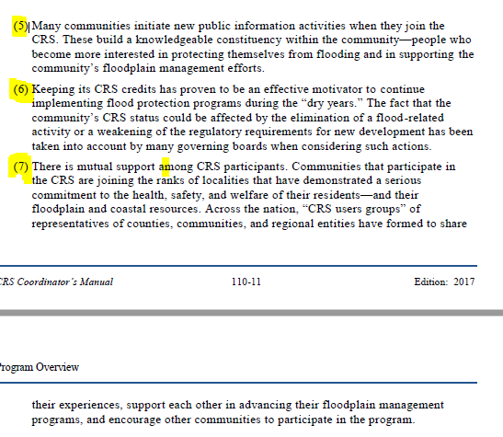
CRS Resources
https://crsresources.org/

WVFMA 2013 - Richard Carte
http://www.wvfma.org/documents/resources/WVFMA2013_CRS_Short.pdf

A Local Official’s Guide to Saving Lives, Preventing Property Damage, and Reducing the Cost of Flood Insurance (2018)
https://www.fema.gov/media-library-data/1535126505943-439b296e7778b037d05f698f65c7891b/2018NFIP_CRS_Brochure_June_2018_508OK.pdf

Kentucky CRS Program
http://www.kymitigation.org/crs/
http://www.kymitigation.org/3933-2/

CRS Master List of Elements - 2017
http://crsresources.org/files/2017-manual/crs_master_list_of_elements-2017_manual.pdf

CRS Coordinator's Manual
https://www.fema.gov/media-library/assets/documents/8768

CRS Application of Interest and Quick Checklist
https://crsresources.org/files/200/fema-form-086-0-35.pdf

CRS Record-Keeping Guidance (2007)
https://www.fema.gov/media-library-data/20130726-1754-25045-3642/record_keeping_guidance_508.pdf

Small Communities in the CRS (2018)
https://www.fema.gov/media-library-data/1534966644297-c0fab027d48811267c3b9d53abf78178/Small_Communities_CRS_Fact_Sheet_FINAL_508OK.pdf

2018 Kentucky Hazard Mitigation Plan Update – Repetitive Loss Assessment
https://kyem.ky.gov/recovery/Documents/CK-EHMP%202018,%20S3-S6,%20Risk%20Assessment,%20Hazard%20Identification,%203,%20RL,%20Original%20Submittal.pdf

CRS Credit for Planning Committees
https://crsresources.org/files/300/crs_credit_for_planning_committees_2017.pdf

Benefits
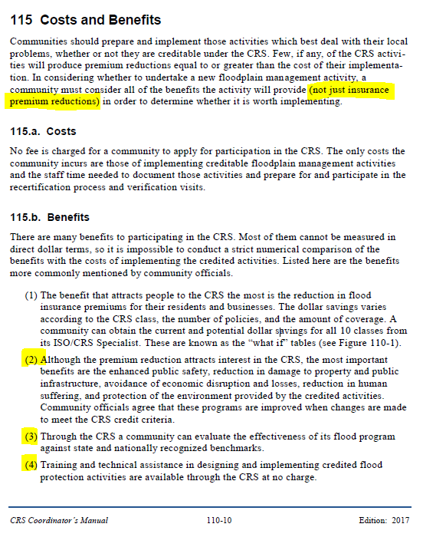
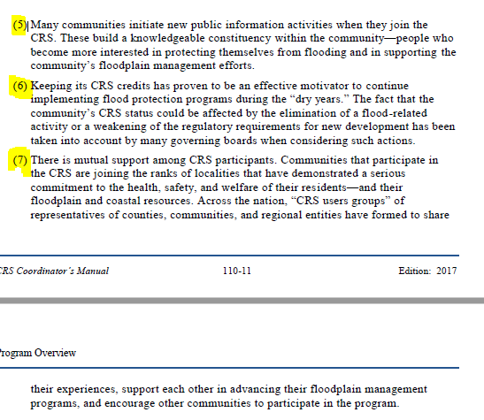
BENEFITS (2017 Coordinator's Manual)

