FIRM_Status_Freeboard
Post-FIRM Initial Effective Date, Freeboard, Active/Planned Flood Studies
Community Status Book Report (Fall 2019) |  |  |  |  |  | PRE-FIRM / POST-FIRM DIVIDING LINE
CID | Community Name | County | Community Type | PDC | Init FHBM Identified | Init FIRM Identified | Curr Eff Map Date | Reg-Emer Date | Freeboard (ft.) | FEMA Active and Planned Flood Studies | Unmapped Area Drainage Limit
540001 | BARBOUR COUNTY* | Barbour County | Unincorporated | 7 | 1974-11-15 | 1987-07-01 | 2011-05-03 | 07/01/1987 | 2
540002 | BELINGTON, TOWN OF | Barbour County | Incorporated | 7 | 05/31/74 | 1979-08-01 | 2011-05-03 | 08/01/1979 | 2
540003 | JUNIOR, TOWN OF | Barbour County | Incorporated | 7 | 06/28/74 | 1987-04-17 | 2011-05-03 | 04/17/1987 | 2
540004 | PHILIPPI, CITY OF | Barbour County | Incorporated | 7 | 02/01/74 | 1986-09-04 | 2011-05-03 | 09/04/1986 | 2
540282 | BERKELEY COUNTY * | Berkeley County | Unincorporated | 9 | 1977-12-16 | 1988-08-04 | 2009-07-07 | 08/04/1988 | 2 | Planned Flood Study | 2 sq. mile
540006 | MARTINSBURG, CITY OF | Berkeley County | Incorporated | 9 | 06/07/74 | 1979-12-18 | 2009-07-07 | 1979-12-18 | 2 | Planned Flood Study | 2 sq. mile
540007 | BOONE COUNTY * | Boone County | Unincorporated | 3 | 01/03/75 | 1991-04-16 | 2013-05-16 | 04/16/1991 | 2
540230 | DANVILLE, TOWN OF | Boone County | Incorporated | 3 | 1974-11-15 | 1991-04-16 | 2013-05-16 | 04/16/1991 | 2
540008 | MADISON, TOWN OF | Boone County | Incorporated | 3 | 06/14/74 | 1991-04-16 | 2013-05-16 | 04/16/1991 | 2
540238 | SYLVESTER, TOWN OF | Boone County | Incorporated | 3 | 1974-11-15 | 1991-04-16 | 2013-05-16 | 04/16/1991 | 2
540229 | WHITESVILLE, TOWN OF | Boone County | Incorporated | 3 | 1974-11-15 | 1991-04-16 | 2013-05-16 | 04/14/1991 | 2
540009 | BRAXTON COUNTY * | Braxton County | Unincorporated | 7 | 01/24/75 | 2010-04-19 | 2010-04-19 | 03/18/1991 | 2
540010 | BURNSVILLE, TOWN OF | Braxton County | Incorporated | 7 | 02/01/74 | 2010-04-19 | 2010-04-19 | 09/10/1984 | 2
540235 | FLATWOODS, TOWN OF | Braxton County | Incorporated | 7 | 02/18/77 | 2010-04-19 | 2010-04-19 | 09/29/1978 | 2
540237 | GASSAWAY, TOWN OF | Braxton County | Incorporated | 7 | 01/10/75 | 2010-04-19 | 2010-04-19 | 09/10/1984 | 2
540236 | SUTTON, TOWN OF | Braxton County | Incorporated | 7 | 01/07/75 | 2010-04-19 | 2010-04-19 | 09/10/1984 | 2
540011 | BROOKE COUNTY * | Brooke County | Unincorporated | 11 | 1974-11-22 | 1983-12-15 | 2010-04-19 | 1983-12-15 | 2
540093 | BEECH BOTTOM, VILLAGE OF | Brooke County | Incorporated | 11 |  | 2010-04-19 | 2010-04-19 | 04/26/1911 | 2
540012 | BETHANY, TOWN OF | Brooke County | Incorporated | 11 | 02/08/74 | 1979-09-28 | 2010-04-19 | 09/28/1979 | 2
540013 | FOLLANSBEE, CITY OF | Brooke County | Incorporated | 11 | 05/24/74 | 1982-09-30 | 2010-04-19 | 09/30/1982 | 2
540014 | WEIRTON, CITY OF | Brooke County | Incorporated | 11 | 01/25/74 | 1979-09-28 | 2010-04-19 | 09/28/1979 | 2
540015 | WELLSBURG, CITY OF | Brooke County | Incorporated | 11 | 05/17/74 | 1982-11-17 | 2010-04-19 | 1982-11-17 | 2
540016 | CABELL COUNTY* | Cabell County | Unincorporated | 2 | 04/25/75 | 1987-09-30 | 2014-02-19 | 09/30/1987 | 2 | Planned Flood Study | 1 sq. mile
540017 | BARBOURSVILLE, VILLAGE OF | Cabell County | Incorporated | 2 | 05/31/74 | 1988-06-03 | 2014-02-19 | 06/03/1988 | 2 | Planned Flood Study | 1 sq. mile
540019 | MILTON, CITY OF | Cabell County | Incorporated | 2 | 05/31/74 | 1987-09-30 | 2005-06-16 | 09/30/1987 | 2 | Planned Flood Study | 1 sq. mile
540020 | CALHOUN COUNTY * | Calhoun County | Unincorporated | 5 | 1974-11-29 | 1991-03-18 | 2010-06-18 | 03/18/1991 | 2
540021 | GRANTSVILLE, TOWN OF | Calhoun County | Incorporated | 5 | 03/01/74 | 1991-03-18 | 2010-06-18 | 03/18/1991 | 2
540022 | CLAY COUNTY * | Clay County | Unincorporated | 3 | 01/24/75 | 1991-03-18 | 2013-02-06 | 03/18/1991 | 0
540023 | CLAY, TOWN OF | Clay County | Incorporated | 3 | 1974-12-20 | 1991-03-18 | 2013-02-06 | 03/18/1991 | 2
540024 | DODDRIDGE COUNTY * | Doddridge County | Unincorporated | 6 | 1974-11-08 | 1991-03-18 | 2011-10-04 | 03/18/1991 | 2
540025 | WEST UNION, TOWN OF | Doddridge County | Incorporated | 6 | 03/29/74 | 1991-03-18 | 2011-10-04 | 03/18/1991 | 2
540026 | FAYETTE COUNTY* | Fayette County | Unincorporated | 4 | 04/11/75 | 1988-03-04 | 2010-09-03 | 03/04/1988 | 2
540027 | ANSTED, TOWN OF | Fayette County | Incorporated | 4 | 02/14/75 | 1981-10-30 | 2010-09-03 | 1981-10-30 | 2
540293 | FAYETTEVILLE, TOWN OF | Fayette County | Incorporated | 4 | 04/11/75 | 1988-03-04 | 2010-09-03 | 02/09/1904 | 2
540294 | GAULEY BRIDGE, TOWN OF | Fayette County | Incorporated | 4 |  | 1991-09-18 | 2010-09-03 | 09/18/1991 | 2
540028 | MEADOW BRIDGE, TOWN OF | Fayette County | Incorporated | 4 | 1974-12-20 | 1991-01-02 | 2010-09-03 | 01/02/1991 | 2
540029 | MONTGOMERY, CITY OF (SPLIT) | Fayette County | Incorporated | 4 | 02/27/76 | 1982-06-01 | 2010-09-03 | 06/01/1982 | 2
540280 | MOUNT HOPE, CITY OF | Fayette County | Incorporated | 4 | 09/13/74 | 1979-08-10 | 2010-09-03 | 08/10/1979 | 2
540031 | OAK HILL, CITY OF | Fayette County | Incorporated | 4 | 06/30/74 | 1980-01-18 | 2010-09-03 | 01/18/1980 | 2
540032 | PAX, TOWN OF | Fayette County | Incorporated | 4 | 1974-12-20 | 1979-08-10 | 2010-09-03 | 08/10/1979 | 2
540033 | SMITHERS, TOWN OF (SPLIT) | Fayette County | Incorporated | 4 | 05/17/74 | 1982-04-15 | 2010-09-03 | 04/15/1982 | 2
540035 | GILMER COUNTY * | Gilmer County | Unincorporated | 7 | 01/03/75 | 1991-04-16 | 2009-06-16 | 04/16/1991 | 2
540036 | GLENVILLE, CITY OF | Gilmer County | Incorporated | 7 | 04/05/74 | 1991-04-16 | 2009-06-16 | 04/16/1991 | 2
540037 | SAND FORK, TOWN OF (Layopolis) | Gilmer County | Incorporated | 7 | 08/09/74 | 1991-04-16 | 2009-06-16 | 04/16/1991 | 2
540038 | GRANT COUNTY* | Grant County | Unincorporated | 8 | 01/10/75 | 1987-08-01 | 2019-02-01 | 08/01/1987 | 2
540240B | BAYARD, TOWN OF | Grant County | Incorporated | 8 | 1974-11-22 | 1979-08-10 | 2019-02-01 | 08/10/1979 | 2
...
DEFINITIONS
Pre-FIRM Building: For insurance rating purposes, a pre-FIRM building is one that was constructed or substantially improved on or before December 31, 1974, or before the effective date of the initial Flood Insurance Rate Map of the community, whichever is later. Most pre-FIRM buildings were constructed without taking the flood hazard into account.
Post-FIRM Building: For insurance rating purposes, a post-FIRM building is one that was constructed or substantially improved after December 31, 1974, or after the effective date of the initial Flood Insurance Rate Map of a community, whichever is later. A post-FIRM building is required to meet the National Flood Insurance Program’s minimum Regular Program flood protection standards.

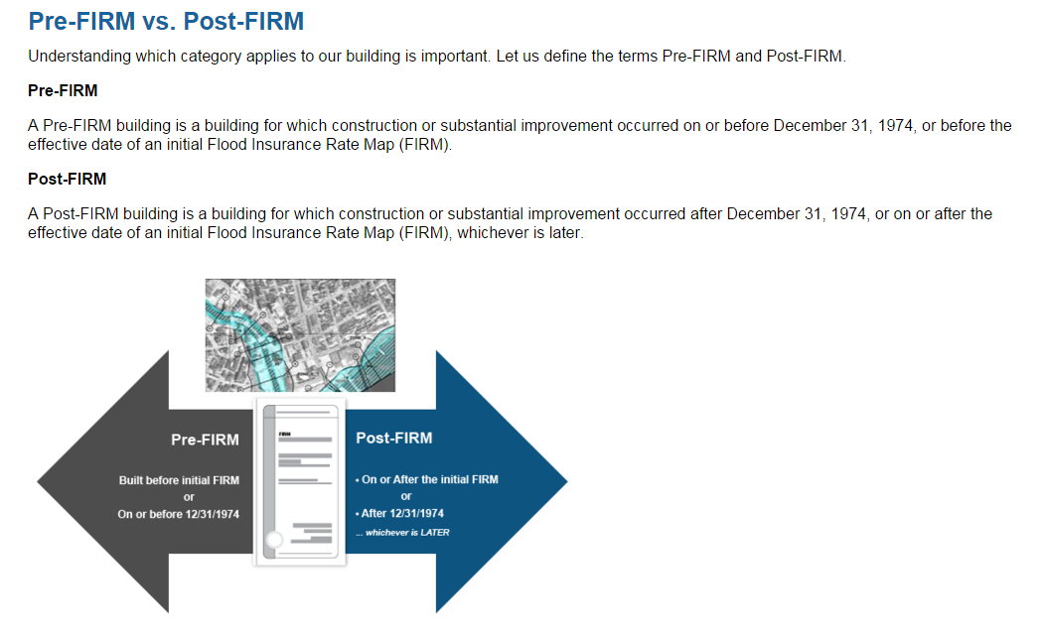

Flood Study Status
...
62 | Planned Flood Study
6 | Planned Flood Study (Partial community coverage)
68 | total planned studies

93 | Total Communities (Active and Planned Studies - 33%)

All the new watershed-based mapping activities will study any unmapped areas that drain more than 1 square mile, which is a change from the current 2 square mile watershed drainage threshold. This will result in newly mapped A Zones in the SFHA for certain communities (e.g. McDowell, Wyoming).

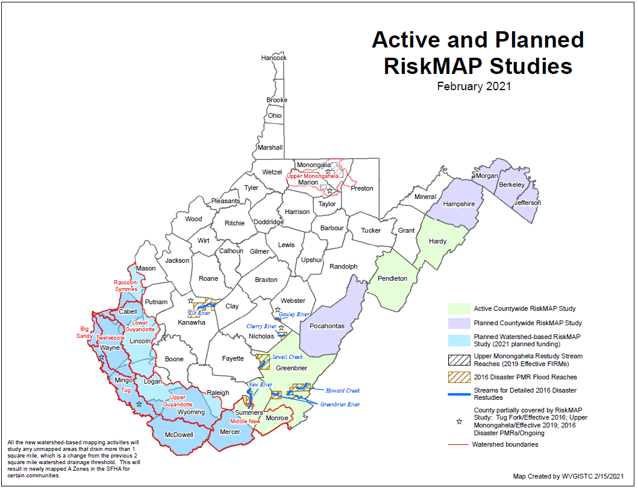

Hazus Bldg. Year Built
Hazus Foundation Types
https://www.hsdl.org/?view&did=480580
https://www.hsdl.org/?abstract&did=480580
Source Publication: Multi-hazard Loss Estimation Methodology: Flood Model HAZUS-MH MR3 Technical

Page 3.25
