SL-State
Flood Zone Summary by Stream Length (State)
2021-10-25
No stream buffer used for calculations

Flood Hazard Zone | Stream Length (mi) | Percent of Total

Approximate | 9,610 | 69%
Detailed | 4,388 | 31%
AE | 4,386
AH | 1.52
AO | 0.22
Total | 13,998

Graphic
https://data.wvgis.wvu.edu/pub/RA/_resources/status/WVFloodHazardZonesSummary.pdf

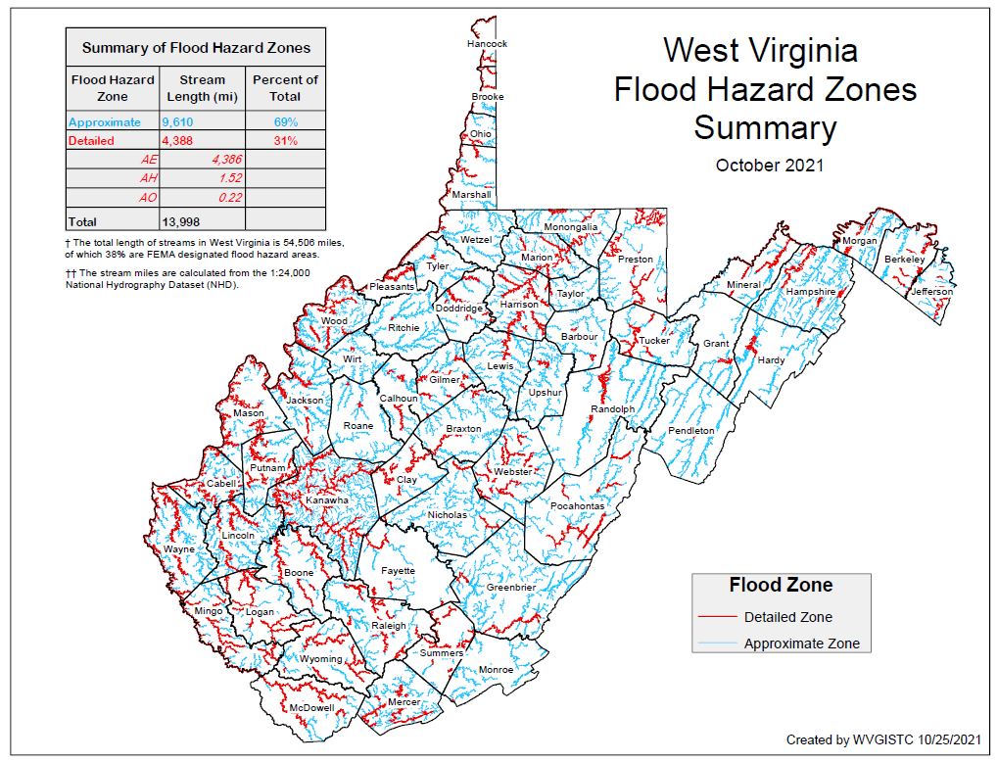

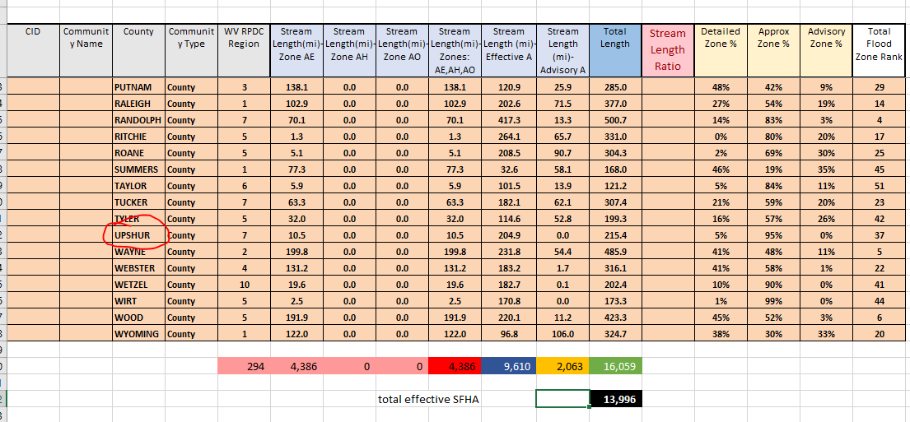

Status Maps
Flood Mapping Status Links:

Below are definitions and coverage status graphics of high-risk advisory floodplains in West Virginia. These floodplains are denoted as an “orange” warning color in the Flood Query Results Panel of the WV Flood Tool. There are three types of advisory floodplains: (1) Preliminary / Draft NFHL, (2) Advisory A (Advisory Flood Heights), and (3) Updated AE Redelineation.

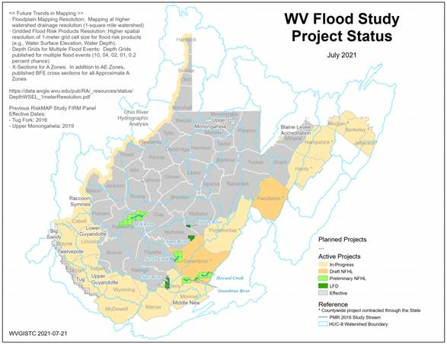
High-Risk Advisory Zones: High-risk advisory zones – Preliminary NFHL, Advisory A, or Updated AE – are non-regulatory 1%-annual-chance flood zones represented as orange-colored flood zones in the WV Flood Tool. These advisory flood zones are generated from new model-backed flood studies or from redelineation mapping. Redelineation is the method of updating effective flood hazard boundaries to match updated topographic data based on the computed water surface elevations from effective models. The public should be informed that these non-regulatory zones will most likely become effective when new Flood Insurance Rate Maps (FIRM) are published, and thus any development in these zones should be regulated to the same standards as effective high-risk flood zones. In local floodplain ordinances, communities may choose to adopt high-risk advisory zones as "community-identified floodplains" and regulated the same as the Special Flood Hazard Area of the official Flood Insurance Rate Map (FIRM). Besides showing flood prone areas that are likely to be “mapped into the SFHA” in a future FEMA Flood Restudy, the high-risk advisory zones are also beneficial in identifying Letters of Map Amendment (LOMAs) for structures or property that should be “removed from the SFHA.”

More definitions and web resources:
https://mapwv.gov/flood/resources.html
https://data.wvgis.wvu.edu/pub/RA/_resources/FloodTool/WV-Flood-Tool_FRA_Glossary.pdf

<< Preliminary / Draft National Flood Hazard Layer (NFHL) >>
Preliminary NFHL: Preliminary FEMA National Flood Hazard Layers (NFHL) are pending to become effective on new Flood Insurance Rate Maps (FIRMs). A Preliminary Flood Zone for a 1%-annual-chance-flood (100-year flood) event is displayed on the WV Flood Tool as a high-risk advisory zone until it becomes effective on the official FIRM. The Draft NFHL allows users to view flood hazard data in its earliest in-​progress flood hazard data study prior to formally issuing preliminary flood hazard data.

WV Coverage: Preliminary/Draft National Flood Hazard Layers of active flood studies (e.g., Greenbrier County, Pendleton County, 2016 Post-Disaster Stream Studies) are published to the WV Flood Tool. Preliminary floodplain data produced from new flood studies takes priority over other advisory floodplains such as Advisory A or Updated AE.
Status graphic: https://data.wvgis.wvu.edu/pub/RA/_resources/status/WV_FloodStudies.pdf

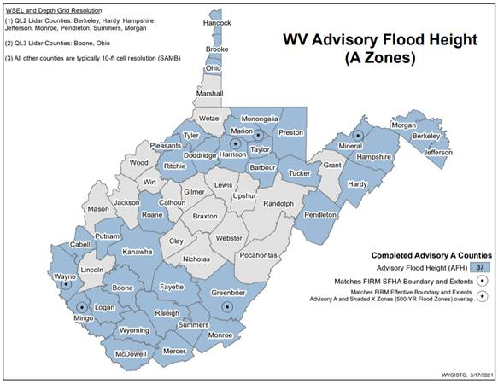
<< Advisory A Zones / Advisory Flood Heights >>
Advisory A (Advisory Flood Heights): A model-backed Approximate A Zone is determined by using hydrology and hydraulics (H&H) analysis and the best available elevation data for base flood height determinations. Water Depth and Water Surface Elevation Grids are also companion products of Advisory A Zones. The Advisory Flood Heights or Advisory Base Flood Elevations are displayed in the Flood Query Results Panel of the WV Flood Tool. Although these high-risk advisory zones are non-regulatory flood zones, future FEMA Flood Studies most likely will incorporate these advisory zones on the official FIRM. In local floodplain ordinances, communities may choose to adopt high-risk advisory zones as "community-identified floodplains" and regulated the same as the Special Flood Hazard Area of the official FIRM.

WV Coverage: A total of 37 counties (67% of State) have Advisory Flood Heights for Approximate A Zones. The State now has model-backed WSEL and Depth grids for the flood zones of the entire State except for the Approximate A Zones of 18 counties: Braxton, Calhoun, Clay, Grant, Gilmer, Jackson, Lewis, Lincoln, Marshall, Mason, Nicholas, Pocahontas, Randolph, Upshur, Webster, Wetzel, Wirt, and Wood counties.
Status graphic: https://data.wvgis.wvu.edu/pub/RA/_resources/status/Advisoy_A_and_AFH_Status.pdf
More information: http://www.mapwv.gov/flood/content/documents/AFHhandout.pdf

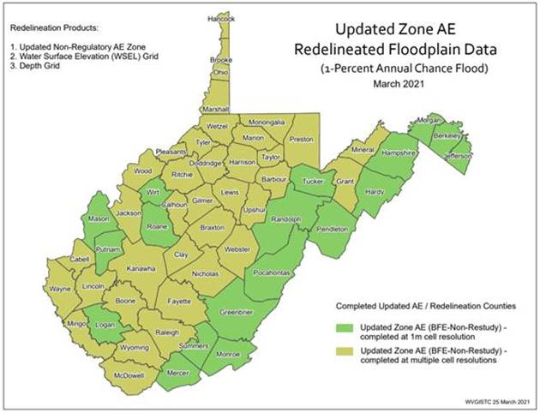
<< Updated AE Boundary Redelineation >>
Updated AE Boundary: A Non-Restudy where AE Zones undergo redelineation, a method of updating effective flood hazard boundaries to match updated topographic data based on the computed water surface elevations from effective models. Advisory AE Zones outside the SFHA are high-risk, non-regulatory flood zones. Future FEMA Flood Studies most likely will incorporate these Advisory AE Zones on the official FIRM. In local floodplain ordinances, communities may choose to adopt high-risk advisory zones as "community-identified floodplains" and regulated the same as the Special Flood Hazard Area of the official FIRM. Along with the Updated AE Floodplain Boundaries, the Depth and Water Surface Elevation Grids are products of the redelineation. Gridded Base Flood Elevations are displayed in the Flood Query Results Panel of the WV Flood Tool. Flood Heights in effective AE Zones should be confirmed with the Flood Profiles and Flood Elevation Tables, whereas flood heights delineated outside the effective AE Zones of the FIRM the base flood elevations are advisory.
WV Coverage: The statewide AE redelineation (1% floodplain) using the best topography has been completed for all 55 counties. All the new redelineated flood risk products (Advisory AE Zones, WSEL/Depth grids) have been published to the WV Flood Tool. The State will re-process those 37 counties which do not yet have QL2 LiDAR ground elevation when the remaining FEMA-purchased LiDAR is delivered later this year.
Status graphic: https://data.wvgis.wvu.edu/pub/RA/_resources/status/Updated_Zone_AE_Status.pdf

PRIORITY SEQUENCE OF HIGH-RISK ADVISORY ZONES: Communities should use the best available flood hazard information when making flood determinations. High-risk regulatory floodplains are denoted in “red” while advisory floodplains in “orange” for a 1%-annual-chance (or 100-year) flood event. Note that FEMA’s Preliminary/Draft National Flood Hazard Layers (NFHL) flood hazard layers (soon-to-be effective regulatory floodplains) supersede any non-regulatory advisory (Model-Backed Advisory A or Redelineated Updated AE) floodplains.

More technical slides on High-Risk Advisory Zones:
https://data.wvgis.wvu.edu/pub/RA/_resources/FloodTool/WV_Flood_Tool_High-Risk_Advisory_Zones.pdf

<< Future Trends in Mapping >>

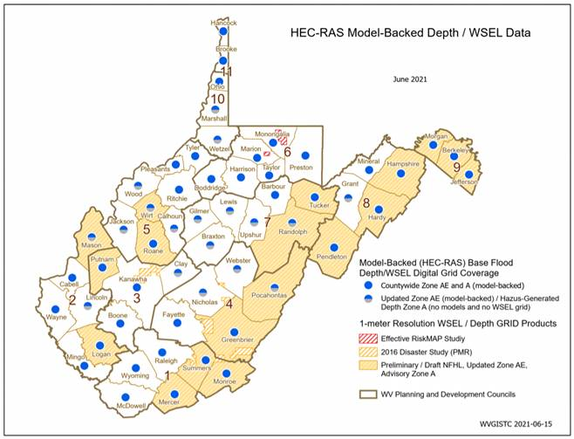
· Floodplain Mapping Resolution: Mapping at higher watershed drainage resolution (1-square mile watershed)

· Gridded Flood Risk Products Resolution: Higher spatial resolution of 1-meter grid cell size for flood risk products (e.g., Flood Heights, Water Depth).

· Depth Grids for Multiple Flood Events: Depth Grids published for multiple flood events (10, 04, 02, 01, 0.2 percent chance)

· X-Sections for A Zones: In addition to AE Zones, published BFE cross sections for all Approximate A Zones

https://data.wvgis.wvu.edu/pub/RA/_resources/status/DepthWSEL_1meterResolution.pdf

(2) Below are additional status graphics for FEMA-purchased LiDAR, DEM resolution, Verified LOMAs, and Freeboard.

<< LiDAR Status / High-Resolution Ground Elevation >>
Recently processed and published ground elevation (DEMs and 1-ft. contours) for three blocks of the FEMA HQ 2018 LiDAR project delivery. The final FEMA QL2 LiDAR delivery (red areas on graphic) for West Virginia is expected in September. https://data.wvgis.wvu.edu/pub/RA/_resources/status/FEMA-purchased_LidarCoverage.pdf. In addition, the USGS is setting up a task order to acquire new LiDAR for the Eastern Panhandle (Morgan, Berkeley, Jefferson) to update the 2012 LiDAR elevation data.

<< 1-meter Grid Status >>
Published new flood risk products in West Virginia to the more accurate 1-meter grid resolution. This 1-meter cell resolution aligns the with delivery specifications of FEMA’s LiDAR-derived digital elevation models (DEMs).
https://data.wvgis.wvu.edu/pub/RA/_resources/status/WV_Elevation_Grid_Resolution.pdf

<< Verified LOMAs >>
Verified the positional accuracy of FEMA’s LOMAs for the entire State. Improved the positional accuracy of 3,646 LOMAs (or 53% percent) to the correct parcel or structure. Verified LOMAs are published on the Expert and RiskMAP Views of the WV Flood Tool.
https://data.wvgis.wvu.edu/pub/RA/_resources/status/LOMAs_Verified.pdf

<< Freeboard <<
Freeboard is elevating a building's lowest floor above predicted flood elevations by a small additional height (generally 2 or 3 feet above National Flood Insurance Program [NFIP] minimum height requirements). All 268 flood-prone communities should have the higher standard, supplemental freeboard flood height requirement in its local floodplain ordinance. If the freeboard amount for your community is not correct, then please let us know.
https://data.wvgis.wvu.edu/pub/RA/_resources/status/Freeboard.pdf

