Streams(old) ≥ 100 Structures
Stream Names with Building Counts > 100 |  | 156 streams of 6759 total = 2.3%
2024-01-08
High Risk Effective and Advisory Floodplains |  |  |  | Natural Breaks | Percent Rank | Percent Rating | Percent Rank
# | Stream Name | County 1 | County 2+ | Structure Count | % Rank | Rating | Scores Legend: | 80 to 100 | Very High | Red text: 90 to 100 Very High
1 | Ohio River |  |  | 7257 | 100% | Very High |  | 60 to 79.9 | Relatively High
2 | Kanawha River | Kanawha | Putnam, Mason, Fayette | 6490 | 99% | Very High |  | 40 to 59.9 | Moderate
3 | Elk River |  |  | 2259 | 99% | Very High |  | 20 to 39.9 | Relatively Low
4 | Greenbrier River |  |  | 1821 | 98% | Very High |  | 0 to 19.9 | Very Low
5 | Guyandotte River | Wyoming, Logan | Lincoln, Cabell | 1496 | 97% | Very High
6 | Tug Fork | Mingo | McDowell, Wayne | 1410 | 97% | Very High
7 | LIttle Kanawha River |  |  | 1205 | 96% | Very High | Top Streams by Natural Break Classification
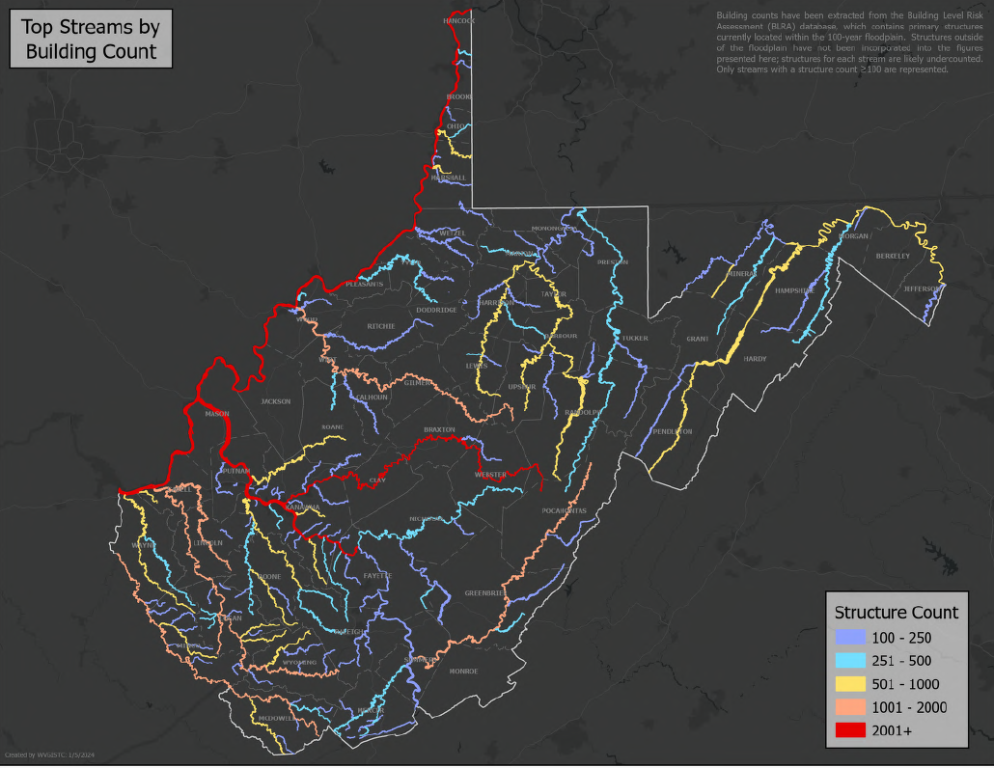
8 | Mud River | Lincoln | Cabell, Boone | 1140 | 95% | Very High
9 | Island Creek | Logan |  | 1110 | 95% | Very High
10 | Pond Fork | Boone |  | 956 | 94% | Very High
11 | Buckhannon River | Upshur | Barbour | 951 | 94% | Very High
12 | Coal River | Kanawha | Lincoln | 933 | 93% | Very High
13 | Buffalo Creek | Logan |  | 932 | 92% | Very High
14 | Big Coal River | Boone |  | 908 | 92% | Very High
15 | Pigeon Creek | Mingo |  | 872 | 91% | Very High
16 | Tygart Valley River |  |  | 871 | 90% | Very High
17 | Wheeling Creek | Marshall | Ohio | 755 | 90% | Very High
18 | Fourpole Creek | Cabell |  | 751 | 89% | Very High
19 | Twelvepole Creek | Wayne |  | 732 | 88% | Very High
20 | Pocatalico River | Kanawha | Roane, Putnam | 676 | 88% | Very High
21 | Campbells Creek | Kanawha |  | 671 | 87% | Very High
22 | New Creek | Mineral |  | 641 | 86% | Very High
23 | West Fork River |  |  | 630 | 85% | Very High
24 | South Branch Potomac River |  |  | 630 | 85% | Very High
25 | Huff Creek | Logan | Wyoming | 600 | 85% | Very High
26 | Clear Fork | Wyoming |  | 597 | 84% | Very High
27 | Cabin Creek | Kanawha |  | 570 | 83% | Very High
28 | Dry Fork | McDowell |  | 563 | 83% | Very High
29 | West Fork Twelvepole Creek | Wayne | Mingo | 552 | 82% | Very High
30 | Potomac River |  |  | 527 | 81% | Very High
31 | Middle Grave Creek |  |  | 506 | 81% | Very High
32 | Little Coal River |  |  | 494 | 80% | Very High
33 | Spruce Fork | Boone | Logan | 485 | 79% | Relatively High
34 | Elkhorn Creek | McDowell |  | 465 | 79% | Relatively High
35 | Shavers Fork |  |  | 447 | 78% | Relatively High
36 | Marsh Fork | Raleigh |  | 427 | 77% | Relatively High
37 | Cacapon River | Hampshire | Morgan, Hardy | 415 | 77% | Relatively High
38 | Cheat River | Preston | Tucker, Monongalia | 391 | 76% | Relatively High
39 | Copperas Mine Fork | Logan |  | 386 | 75% | Relatively High
40 | Paint Creek | Kanawha | Fayette, Raleigh | 385 | 75% | Relatively High
41 | Little Wheeling Creek | Ohio |  | 362 | 74% | Relatively High
42 | Buffalo Creek | Marion |  | 353 | 74% | Relatively High
43 | Clear Fork | Raleigh |  | 350 | 72% | Relatively High
44 | Pond Run Upper Reach |  |  | 350 | 72% | Relatively High
45 | Sewell Creek | Greenbrier | Fayette | 341 | 72% | Relatively High
46 | Elk Creek | Harrison | Barbour | 333 | 71% | Relatively High
47 | Mud Fork | Logan |  | 329 | 70% | Relatively High
48 | Howard Creek | Greenbrier |  | 326 | 70% | Relatively High
49 | Middle Island Creek | Tyler | Pleasants, Doddridge | 312 | 69% | Relatively High
50 | Bluestone River | Mercer | Summers | 308 | 68% | Relatively High
51 | South Fork | Mercer |  | 285 | 68% | Relatively High
52 | Whitman Creek | Logan |  | 283 | 67% | Relatively High
53 | Armstrong Creek | Fayette |  | 275 | 66% | Relatively High
54 | Patterson Creek | Mineral | Grant | 270 | 66% | Relatively High
55 | East Fork Twelvepole Creek | Wayne | Mingo | 267 | 65% | Relatively High
56 | Davis Creek | Kanawha |  | 265 | 65% | Relatively High
57 | Kings Creek |  |  | 263 | 64% | Relatively High
58 | Spring Creek | Roane | Wirt | 262 | 63% | Relatively High
59 | Gauley River | Nicholas | Webster, Fayette | 260 | 63% | Relatively High
60 | Brush Creek | Mercer |  | 259 | 62% | Relatively High
61 | Polk Creek | Lewis |  | 252 | 61% | Relatively High
62 | Rocky Fork | Kanawha |  | 248 | 61% | Relatively High
63 | Cherry River |  |  | 246 | 60% | Relatively High
64 | Mate Creek | Mingo |  | 235 | 59% | Moderate
65 | Rockhouse Fork | Mingo |  | 233 | 59% | Moderate
66 | Hewett Creek |  |  | 232 | 58% | Moderate
67 | Deckers Creek | Monongalia | Preston | 231 | 57% | Moderate
68 | Stonecoal Creek | Lewis |  | 229 | 57% | Moderate
69 | Laurel Fork | Wyoming | Raleigh | 228 | 56% | Moderate
70 | North Fork Brush Creek |  |  | 220 | 55% | Moderate
71 | Worthington Creek |  |  | 211 | 55% | Moderate
72 | Fishing Creek |  |  | 209 | 54% | Moderate
73 | Rockcastle Creek | Wyoming |  | 208 | 54% | Moderate
74 | Grave Creek |  |  | 203 | 52% | Moderate
75 | North Fork South Branch Potomac River |  |  | 203 | 52% | Moderate
76 | Kellys Creek | Kanawha |  | 197 | 52% | Moderate
77 | Gilbert Creek |  |  | 193 | 51% | Moderate
78 | Daves Fork |  |  | 192 | 50% | Moderate
79 | Crooked Creek | Putnam |  | 189 | 50% | Moderate
80 | Warm Spring Run |  |  | 186 | 49% | Moderate
81 | Meadow River | Greenbrier | Nicholas, Fayette | 185 | 48% | Moderate
82 | Armour Creek | Putnam |  | 182 | 47% | Moderate
83 | Paw Paw Creek | Marion | Monongalia | 182 | 47% | Moderate
84 | New River | Fayette | Summers, Mercer, Monroe | 179 | 46% | Moderate
85 | Piney Creek | Raleigh |  | 177 | 46% | Moderate
86 | Jacobs Fork |  |  | 175 | 45% | Moderate
87 | Browns Creek | McDowell |  | 174 | 45% | Moderate
88 | Big Sandy Creek | Roane | Kanawha | 171 | 44% | Moderate
89 | Loop Creek | Fayette |  | 167 | 43% | Moderate
90 | Marrowbone Creek | Mingo | Wayne | 165 | 42% | Moderate
91 | Lens Creek | Kanawha |  | 165 | 42% | Moderate
92 | Neal Run |  |  | 164 | 41% | Moderate
93 | Laurel Fork | Mingo |  | 162 | 40% | Moderate
94 | Slab Fork | Wyoming | Raleigh | 162 | 40% | Moderate
95 | Simpson Creek | Harrison | Taylor | 159 | 39% | Relatively Low
96 | Two and Three Quarter Mile Creek | Kanawha |  | 154 | 39% | Relatively Low
97 | Twomile Creek | Kanawha |  | 153 | 38% | Relatively Low
98 | Leading Creek | Randolph |  | 151 | 37% | Relatively Low
99 | West Fork | Boone |  | 151 | 37% | Relatively Low
100 | South Fork Fishing Creek |  |  | 147 | 36% | Relatively Low
101 | Anthony Creek | Greenbrier | Pocahontas | 146 | 35% | Relatively Low
102 | Elk Twomile Creek | Kanawha |  | 143 | 34% | Relatively Low
103 | North Branch Potomac River | Mineral |  | 143 | 34% | Relatively Low
104 | Dry Fork | Randolph | Tucker | 142 | 34% | Relatively Low
105 | Dunloup Creek |  |  | 140 | 32% | Relatively Low
106 | West Fork Little Kanawha River | Calhoun | Roane, Wirt | 140 | 32% | Relatively Low
107 | Prickett Creek | Marion |  | 138 | 32% | Relatively Low
108 | Little Sandy Creek | Kanawha | Roane | 137 | 31% | Relatively Low
109 | Left Fork Twomile Creek | Kanawha |  | 136 | 30% | Relatively Low
110 | North Fork Elkhorn Creek |  |  | 134 | 29% | Relatively Low
111 | Beaver Creek | Raleigh |  | 134 | 29% | Relatively Low
112 | Fields Creek | Kanawha |  | 133 | 28% | Relatively Low
113 | Little Fishing Creek |  |  | 133 | 28% | Relatively Low
114 | Dingess Run | Logan |  | 132 | 27% | Relatively Low
115 | Little Grave Creek |  |  | 131 | 26% | Relatively Low
116 | Little Huff Creek | Wyoming |  | 130 | 25% | Relatively Low
117 | Garrett Fork | Logan |  | 130 | 25% | Relatively Low
118 | Hughes River |  |  | 128 | 25% | Relatively Low
119 | Blue Creek | Kanawha |  | 127 | 23% | Relatively Low
120 | North River |  |  | 127 | 23% | Relatively Low
121 | Shenandoah River | Jefferson |  | 126 | 23% | Relatively Low
122 | Fork Fish Creek |  |  | 124 | 22% | Relatively Low
123 | Jacobs Run | Harrison |  | 123 | 21% | Relatively Low
124 | Trace Fork | Mingo |  | 122 | 20% | Relatively Low
125 | Knapp Creek | Pocahontas |  | 122 | 20% | Relatively Low
126 | Sandlick Creek | McDowell |  | 121 | 19% | Very Low
127 | Short Creek | Ohio | Brooke | 120 | 19% | Very Low
128 | East River |  |  | 118 | 15% | Very Low
129 | Hughes Creek | Kanawha |  | 118 | 15% | Very Low
130 | Middle Fork RIver |  |  | 118 | 15% | Very Low
131 | Glady Fork | Mercer |  | 118 | 15% | Very Low
132 | Lorton Lick Creek |  |  | 118 | 15% | Very Low
133 | Craven Run |  |  | 118 | 15% | Very Low
134 | Tenmile Creek | Harrison |  | 117 | 14% | Very Low
135 | Monongahela River | Monongalia | Marion | 117 | 14% | Very Low
136 | Buffalo Creek | Mingo |  | 116 | 13% | Very Low
137 | Hurricane Creek | Putnam |  | 115 | 12% | Very Low
138 | Right Fork Buffalo Creek | Logan |  | 112 | 12% | Very Low
139 | Lefthand Fork | Mercer |  | 111 | 10% | Very Low
140 | Smithers Creek | Fayette |  | 111 | 10% | Very Low
141 | Crawley Creek | Logan |  | 108 | 10% | Very Low
142 | Jennie Creek | Wayne | Mingo | 106 | 8% | Very Low
143 | Fuquay Creek | Lincoln |  | 106 | 8% | Very Low
144 | Straight Fork | Lincoln |  | 106 | 8% | Very Low
145 | Harmon Creek |  |  | 105 | 6% | Very Low
146 | McElroy Creek |  |  | 105 | 6% | Very Low
147 | Stonecoal Creek |  |  | 103 | 5% | Very Low
148 | Witcher Creek | Kanawha |  | 103 | 5% | Very Low
149 | North Fork Fishing Creek |  |  | 103 | 5% | Very Low
150 | Morris Creek | Kanawha | Fayette | 102 | 3% | Very Low
151 | Right Fork Holly River | Webster | Braxton | 102 | 3% | Very Low
152 | Perdue Hollow |  |  | 101 | 1% | Very Low
153 | Koontz Run |  |  | 101 | 1% | Very Low
154 | Pecks Run |  |  | 101 | 1% | Very Low
155 | South Fork Hughes River | Ritchie | Doddridge | 100 | 0% | Very Low
156 | Black Fork | Tucker |  | 100 | 0% | Very Low

