Metadata
Data source:
Census Bureau’s American Community Survey (ACS) 5-year estimates of 2021

Note 1:
The census data were available for the incorporated areas (as "Places") and the entire counties. Mobile home counts for the unincorporated areas were calculated by subtracting the counts in communities from those of the county.

Note 2:
The median mobile home values are not available for many incorporated communities and for the unincorporated areas in the census data.

Note 3:
For the split communities (Alderson, Huntington, Montgomery, Nitro, Paden, Smithers, Weirton, and Wheeling), mobile home counts were calculated in proportion to the area of the community in each county. The sum mobile home counts for both parts of the split communities (from census) are mentioned at the bottom end of the table. If the median mobile home value is available for these communities, the same value is used for both parts of them.

Note 4:
Rhodell and Henderson were removed from the incorporated communities list on 1/16/2024 as they were dissolved in Raleigh and Mason counties, respectively. The values related to these two communities were combined with the unincorporated areas of Raleigh and Mason in this new dataset.

Colors:
Brown --> Unincorporated areas, Black --> Incorporated areas, Green --> Counties (Total), Red --> Split communities

Description of the fields:
Name_Census: The name of the community as in census data
COMMUNITY_NAME_1: Community name; Unincorporated areas are displayed as the county name followed by an asterisk (e.g. BARBOUR COUNTY*)
Community_Type: Community type (Incorporated, Unincorporated, or Split)
CID_InitIncorpUnicrop_county:
COUNTY: County where the community is located
CO_FIPS: County's code
ST_FIPS: State's code
COMM_NO: Community number
CID: Community code (from the GIS data)
Census_ID: Census ID
GEO_ID: Detailed Geographic ID (Census ID2)

Mobile_Home_Count_2021: Total number of mobile homes (in the whole area, not only in floodplains) according to the 2021 ACS

* Census Bureau's methodology and definition of mobile homes (copied from the Census Bureau's web pages):
"In this model, we add together the 2020 Census count of housing units, estimated new residential construction, and estimated new mobile homes."
"The data we use to create estimates of new mobile homes come from the Manufactured Homes Survey (MHS). We calculate annual mobile home estimates by compiling monthly state shipment data from July of the previous year through June of the current year. For example, the July 1, 2022 mobile home estimates are based on mobile home shipment data from July 1, 2021 through June 30, 2022. We distribute the state-level mobile home estimates to each place within the state based on each place’s share of the state’s total mobile homes. To do so, we use information from the most recent ACS 5-year file on “type of structure” for housing units."
"Manufactured homes must meet building standards defined by the Dept. of Housing and Urban Development (HUD) and are defined as a movable dwelling, 8 feet or more wide and 40 feet or more long, designed to be towed on its own chassis, with transportation gear integral to the unit when it leaves the factory, and without need of a permanent foundation. No building permit is required for a manufactured home."
"The Manufactured Housing Survey (MHS) does not include data for modular homes."
Links:
https://www2.census.gov/programs-surveys/popest/technical-documentation/methodology/2020-2022/2022-hu-meth.pdf
https://www.census.gov/programs-surveys/mhs/about/faq.html#:~:text=of%20Housing%20and%20Urban%20Development,need%20of%20a%20permanent%20foundation

Total_Housing_Units_2021: Total number of housing units (in the whole area, not only in floodplains) according to the 2021 ACS

** Census Bureau's methodology and definition of housing units (copied from the Census Bureau's web pages):
"We produce housing unit estimates using the components of housing change. In this model, we add together the 2020 Census count of housing units, estimated new residential construction, and estimated new mobile homes. From this sum, we subtract the estimated housing units lost. Lost units also include a component for units lost due to natural disasters. The computation of annual July 1 housing unit estimates is expressed by the following formula:"

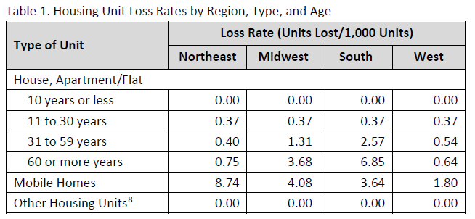
"Natural disaster loss estimates are calculated using FEMA’s (Federal Emergency Management Agency) records on requests for disaster assistance. These data are gathered as individuals affected by a natural disaster apply for assistance from the federal government. FEMA includes information on the severity of the damage a housing structure endured and its location, listing both street address and coordinates."
"After these data are combined to produce a preliminary set of housing estimates, they are reviewed by members of the Federal-State Cooperative for Population Estimates (FSCPE). The final housing estimates may reflect updates from their review of the estimates."
Link:
https://www2.census.gov/programs-surveys/popest/technical-documentation/methodology/2020-2022/2022-hu-meth.pdf

Mobile_Home_Percentage: Percentage of mobile homes in the total housing units according to the 2021 ACS
Median_Mobile_Home_Value: Median value of mobile homes in the area according to the 2021 ACS; Not available for all communities

