4 Flood Depth Categories
 | About 1 Foot | About 3 Feet | About 6 Feet | About 9 Feet
Response | focus on those who need additional assistance | near limit to use high profile vehicles to perform high water rescues | boats and helicopters now required to perform high water rescues | 1st floors completely inundated

Water Depths for Roads and Bridges

<= 1 foot (Response focused on those who need additional assistance)
<= 3 feet (Near limit for High Profile Vehicles to perform wter rescues)
<= 6 feet (Boats and helicopters required to perform high water rescues)
> 6 feet (Major flood inundation. 1st floors completely inundated at ~ 9 feet)

Source:
Esri Flood Impact Analysis, A preview of the ArcGIS Pro Solution Template, Gert van Maren, 2019 Esri User Conference
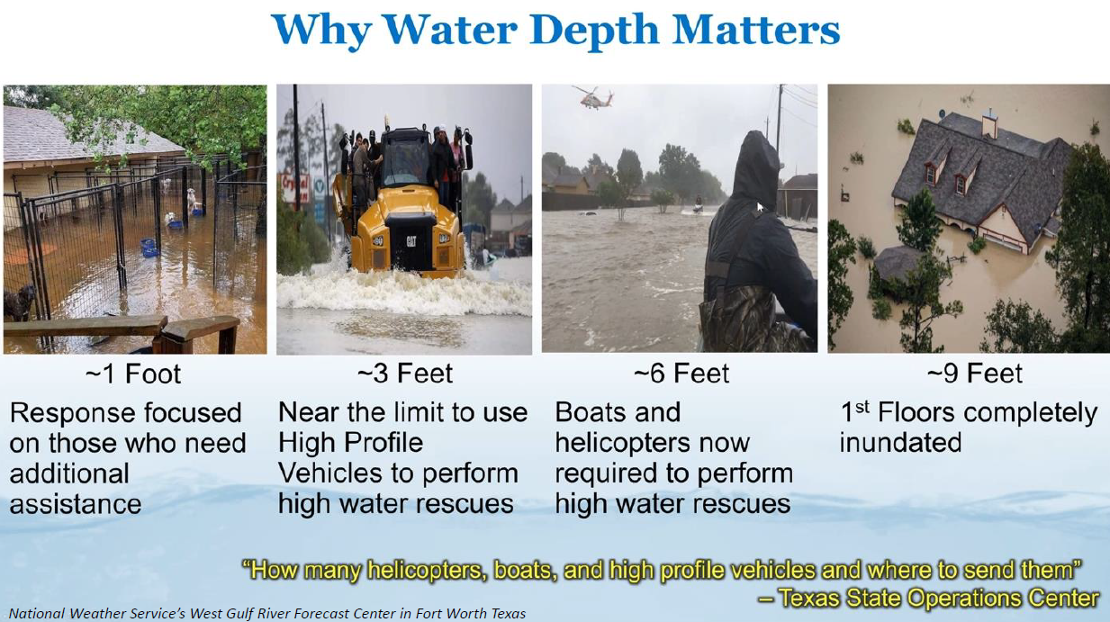

Source: Austin Texas Flood Inundation of Roads and Bridges

http://www.arcgis.com/home/webmap/viewer.html?webmap=52e572eb197c4b468adba77742006f08
