Other_Indices
Other Indices to compare
Appalachian Regional Commission (ARC), County Economic Status Fiscal Year 2021 | University of South Carolina, Baseline Resilience Indicators for Communities (BRIC) 2020 | FEMA, Community Resilience Challenges Index (CRCI) 2022 | CDC/ATSDR, Social Vulnerability Index (SVI) 2020 | FEMA, Community Disaster Resilience Zones (CDRZ) 2020 | WVGISTC, WV Social Vulnerability Index
423 counties in the Appalachian Region | Statewide county comparisons within the state or within the nation (both available) | Resilience Analysis and Planning Tool (RAPT) | Both nationwide and statewide at county and census tract levels | Nationwide at census tract level
Index developed based on ranking of all counties in the nation | https://sc.edu/study/colleges_schools/artsandsciences/centers_and_institutes/hvri/data_and_resources/bric/index.php | Nationwide at county level | https://www.atsdr.cdc.gov/placeandhealth/svi/interactive_map.html | https://experience.arcgis.com/experience/e3bb8cb79d124a0ca38a05e48afb6fd6/page/Community-Disaster-Resilience-Zone-Viewer/ | 8 selected indicators in three major groups:
https://www.arc.gov/county-economic-status-and-distressed-areas-by-state-fy-2021/ | https://sc.edu/study/colleges_schools/artsandsciences/centers_and_institutes/hvri/documents/bric/bric_maps_2020/westvirginia_bric_2020.pdf | https://fema.maps.arcgis.com/apps/webappviewer/index.html?id=90c0c996a5e242a79345cdbc5f758fc6 | https://www.atsdr.cdc.gov/placeandhealth/svi/documentation/SVI_documentation_2020.html | https://fema.maps.arcgis.com/home/item.html?id=a05ccbacd1174dddac38bd75bd304d18&view=list&sortOrder=desc&sortField=defaultFSOrder#data
https://www.arc.gov/distressed-designation-and-county-economic-status-classification-system/ |  | https://experience.arcgis.com/experience/618796a76ff54ebe8bbdb677096d49ed/ |  | https://www.fema.gov/press-release/20231024/community-disaster-resilience-zones-build-resilience-nationwide-create-new#:~:text=Communities%20within%202020%20census%20tracts,and%20Economic%20Justice%20Screening%20Tool. | Socioeconomic Status:
 | 49 indicators in six major categories: |  | 22 indicators in four major groups: |  | Poverty Rate
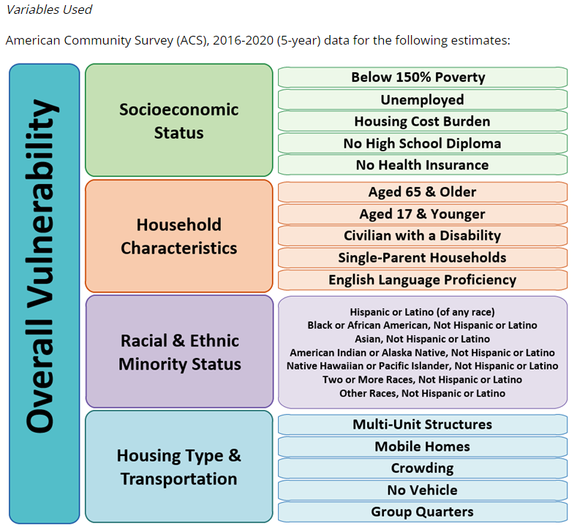
3 Indicators: |  | 22 Indicators in six major groups: |  | Based on the National Risk Index and Climate and Economic Justice Screening Tool: | Unemployment Rate
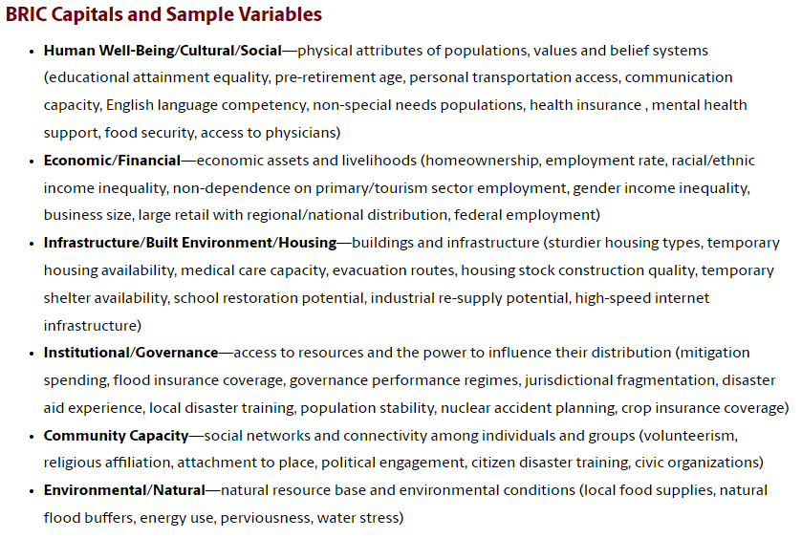
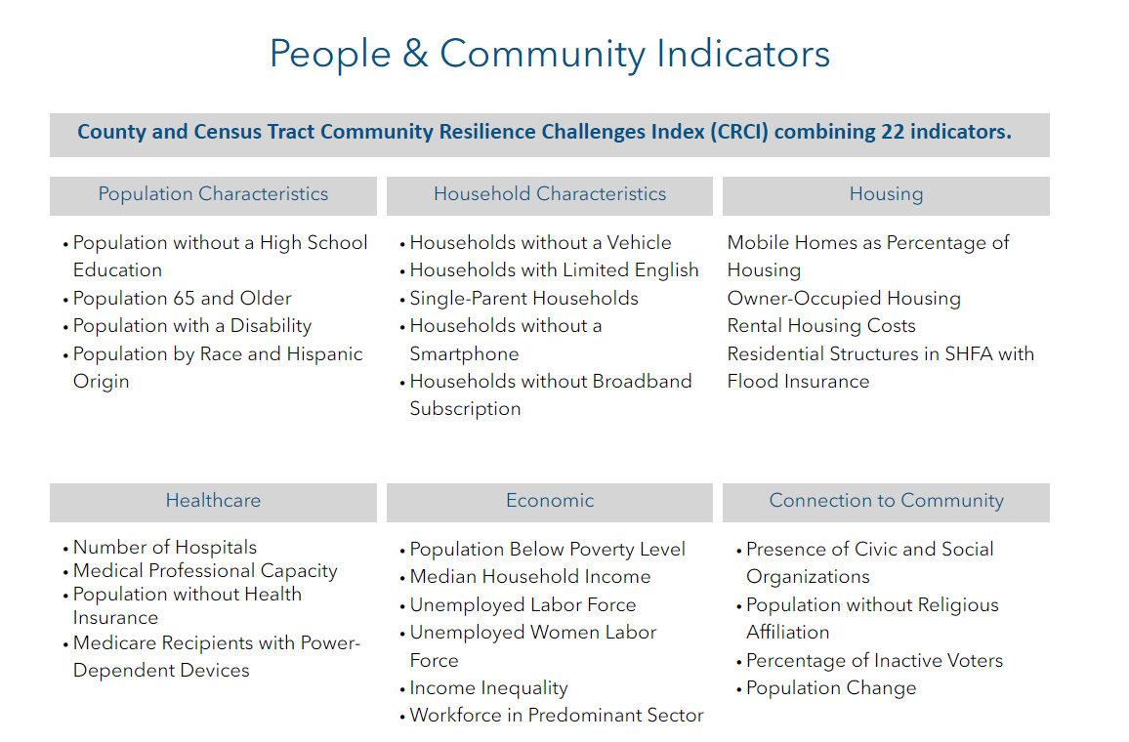
Three–Year Average Unemployment Rate, Per Capita Market Income, Poverty Rate |  |  |  | https://hazards.fema.gov/nri/map
 |  |  |  | https://screeningtool.geoplatform.gov/en/#3/33.47/-97.5 | Population Characteristics:
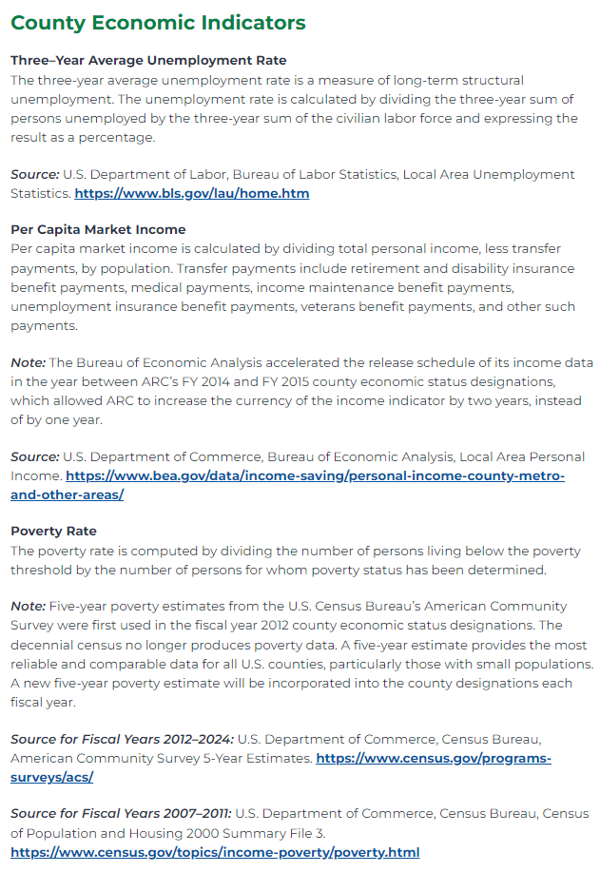
 |  |  |  |  | Vulnerable Ages Ratio (<15 and >65)
 |  |  |  |  | Disability Ratio
 |  |  |  |  | No High School Diploma Ratio
 |  |  |  |  | Population Change Rate

 |  |  |  |  | Housing Characteristics:
 |  |  |  |  | Median Housing Value
 |  |  |  |  | Mobile Homes Ratio

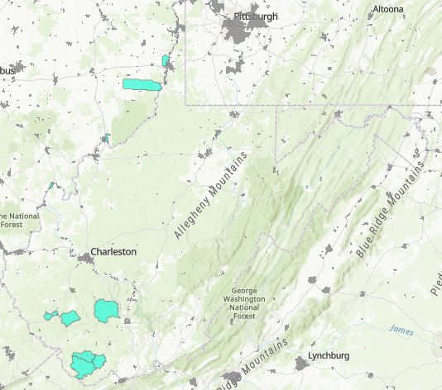

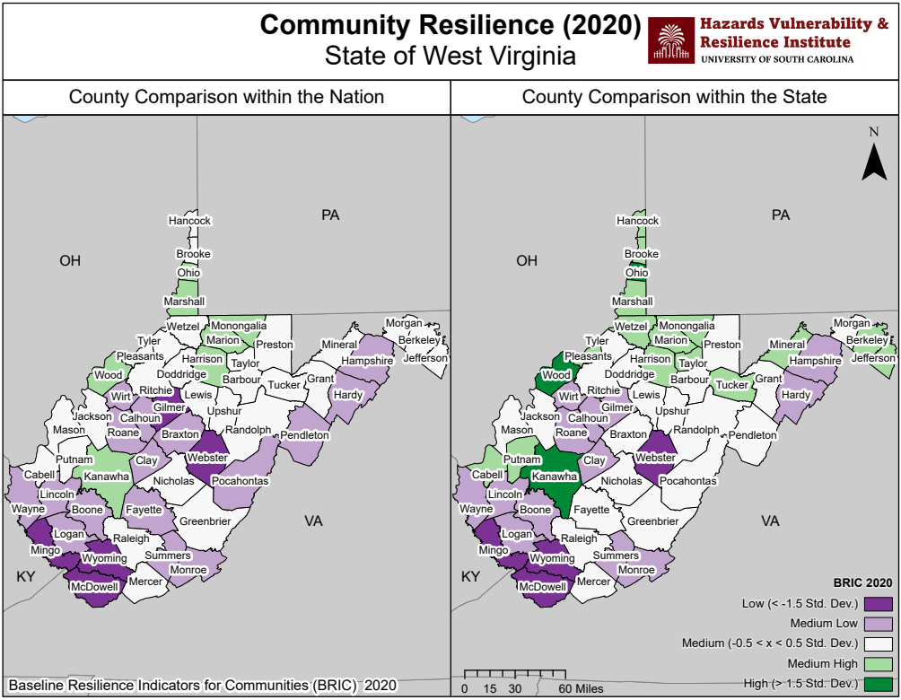

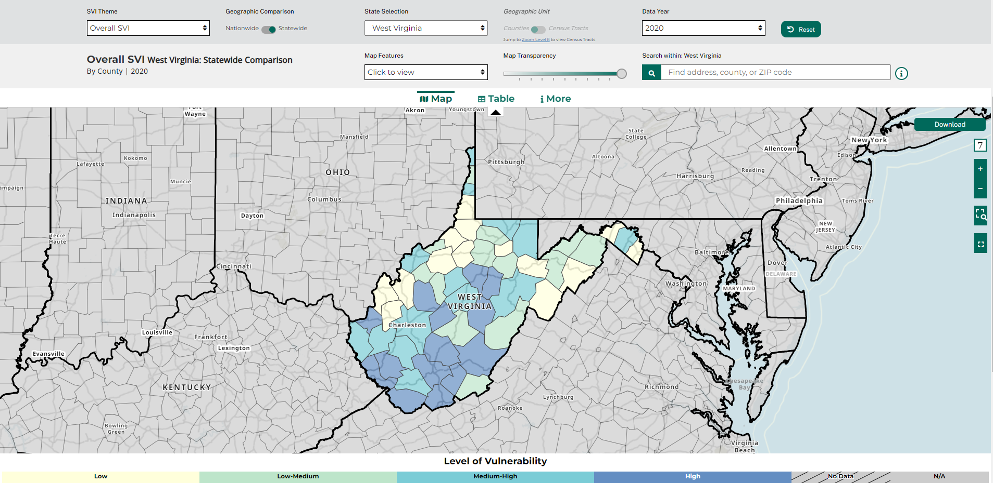

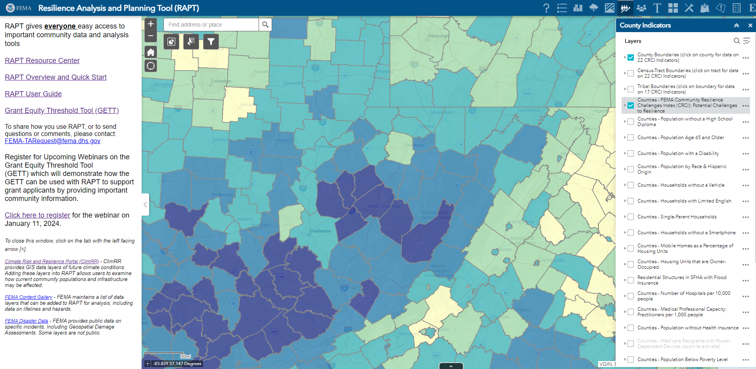

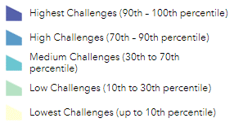
Legend:
