Search Queries
 | 2025-10-31
 | www.wvfrf.org

 | ** HEADER **
 | PROJECT OVERVIEW | WV RISK EXPLORER | WV FLOOD TOOL | CONTRIBUTORS | CONTACT US

 | ** OVERVIEW **
 | A virtual hub of risk assessment, visualization, planning, and training resources for building community flood resiliency in West Virginia

 | PRIMARY TOOLS
 | WV Risk Explorer* | WV Flood Tool | WV Property Viewer | Hazard Library

 | WVFRF Landing Page
 | 1
 | Tools | Search various risk assessment and mitigation tools
 | < Risk Assessment >
 | Risk Maps
 | Risk Reports
 | Flood Risk Dashboards
 | Flood Visualizations
 | Building-Level (BL) Risk

 | < Mitigation Actions >
 | Mitigated Structures
 | Open Space Preservation

X | Search all Tools | Media = "Web Tool" |  |  | 33 | TOOLS

 | 2
 | Plans | Search resiliency and mitigation plans
 | WV Resiliency Plan (2024)
 | WV Hazard Mitigation Plan (2023)
 | WV Flood Protection Plan (2002)

X | Search all Plans | Media =" Plan" |  |  | 14 | PLANS

 | 3
 | Topics | Search hazard library by topic
 |  | MAJ_GROUP_CODE | CAT_CODE
 | < Risk Assessment / Planning > |  |  | 10 Topics
 | Risk Planning Resources | R-PLAN |  | 1 | 52 | TOPICS
 | Risk Assessment - Web Tools | RA-T |  | 2 | 49 | TOPICS
 | Risk Assessment - Statewide | RA-S |  | 3 | 253 | TOPICS
 | Risk Assessment - Local | RA-L |  | 4 | 91 | TOPICS
 | < Mitigation Measures >
 | Floodplain Mapping | MIT-MAP |  | 5 | 12 | TOPICS
 | Floodplain Management | MIT-FM |  | 6 | 33 | TOPICS
 | Flood Insurance | MIT-INS |  | 7 | 11 | TOPICS
 | Other Mitigation Measures | MIT-MEAS |  | 8 | 77 | TOPICS
 | < Flood Disaster Events >
 | Flood Event | FD | FE | 9 | 243 | TOPICS
 | Flood Disaster Research | FD | FD-R | 10 | 18 | TOPICS

 | 4
 | Programs | Search various flood reduction programs
 | < State >
 | WV State Resiliency Office
 | WV Emergency Management
 | WV Conservation Agency
 | WV VOAD
 | WV GIS Technical Center
 | < Federal / National / Regional> |  |  | Modify
 | FEMA FloodSmart.gov
 | FEMA Community Rating System
 | FEMA Region 3
 | NWS Charleston
 | USACE Federal Flood Risk Management Resources |  |  | Delete
 | USACE Huntington
 | ASFPM
 | Appalachian Flood Resilience Coalition

 | Search State Organizations | IN [Org1_Level or Org2_Level = "State"] |  |  | 590 | PROGRAMS
 | Search Regional | IN [Org1_Level or Org2_Level = "Regional"]
 | Search Federal & National Organizations | IN [Org1_Level or Org2_Level = "National" OR "Federal"] |  |  | 80 | PROGRAMS

 | 5
 | Guides & Reports | Learn from guides and reports
 | Best Practices Disaster Guide
 | Legal & Planning Tools
 | Flood Resiliency Survey
 | Six-Community Riverine Risk Study

 | Search Guidance Documents | Media = "Guide"
 | Search Local Flood Risk Assessment Reports | Flood_Risk_Findings = "Local" |  |  | 30
 | Search Statewide Flood Risk Assessment Reports | Flood_Risk_Findings = "State" |  |  | 7
 | Search All Flood Risk Assessment Reports | Flood_Risk_Findings = "Local" OR "State" |  |  | 37
 | Search Other Hazards Resources | Keyword = :Dam Failure: OR :Landslide" OR "Karst"
 | View all Products of CIVIC Project | Project = "2023 CIVIC NSF Project" OR "2025 CIVIC NSF Project" |  |  | 297 | GUIDES & REPORTS

 | 6
 | Meeting Events | Search resources of prior events
 | 2025 Flood Resiliency Symposium
 | 2024 WVFMA Conference
 | 2024 Risk Reduction Consultation
 | 2024 Flood Resiliency Symposium

 | Search All Meeting Events | M_Event <> Blank |  |  | 70 | MEETING EVENTS

 | WV Risk Explorer Landing Page
 | 1
 | WV Flood Dashboards | Media = "Dashboard" |  | Search all Hazard & Mitigation Dashboards | 10
 | WV Flood Visualizations | Flood_VIZs = "Y" |  | Search all WV Flood Visualizations | 41
 | 3D Movies | Media = "3D Flood Movie" |  |  | 8
 | Building Flood Profile | Media = "Building Flood Profile" |  |  | 15
 | Viewshed Flood Model | Media = "Viewshed Flood Model" |  |  | 11
 | Story Map | Media = "Story Map" AND MAJ_GROUP="Flood Disaster" |  |  | 4
 | Access Data | Media = "Data-GIS" or "Data-Metadat" or "Data-Table" |  | Search all Data Resources | 33
 | Landslide Tools | Keyword4 = "Landslide" |  | Search all Landslide Resources | 35

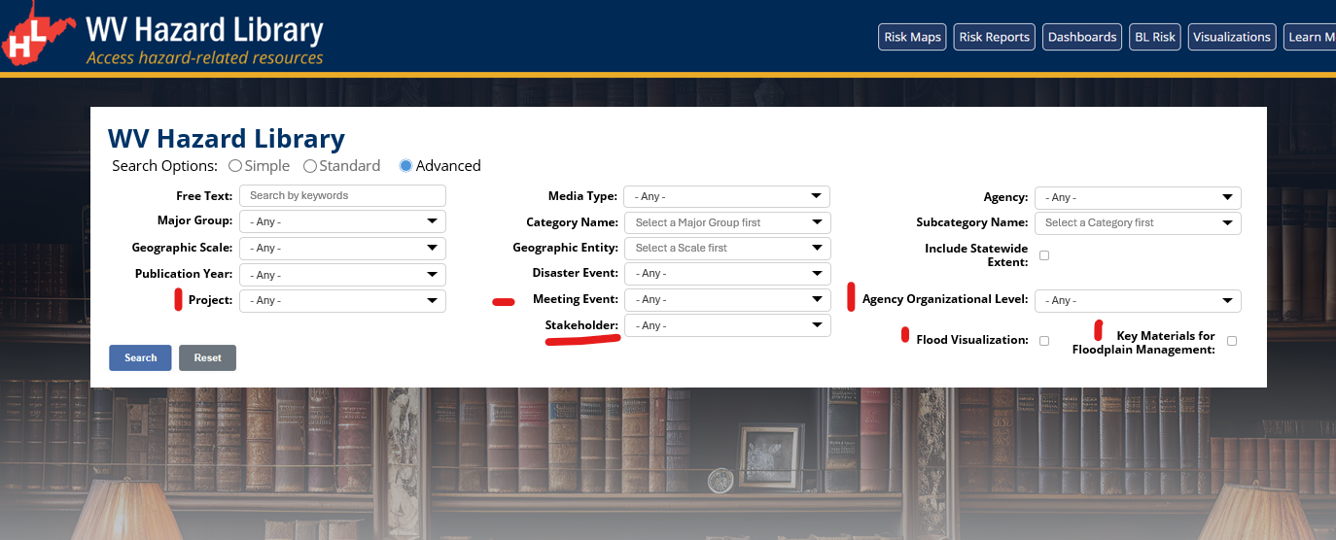

 | << STANDARD & ADVANCE MENUS >> | Search 1 Variable | Search 2 Variable | Search 3 Variable
 | Free Text | TITLE | SubCAT_Name | Keyword4
 | Media Type | MEDIA_TYPE
 | Agency | Author1 | Author2
 | Major Group / Category / Subcategory | MAJ_GROUP | MG_Cross_Index1 | MG_Cross_Index2
 |  | Category_Name
 |  | SubCAT_Name
 | Geographic Scale | GEOG_SCALE
 | Geographic Entity | pre-determined geographic entities
 | Statewide Extent | WV-Extent = "Y"
 | Publication Year | Pub_Year
 | Disaster Event | D_Event | D_Event_Start_Year | D_Event_End_Year
 | Project | Project
 | Meeting Event | M_Event_Name | M_Event_Start_Year | M_Event_End_Year
 | Agency Organizational Level | ORG1_LEVEL | ORG2_LEVEL
 | Stakeholder | STAK1 | STAK2
 | Flood Visualization | Flood_VIZs = "Y"
 | Key FPM Materials | FPM_Key_Materials = "Y"

 | << MOBILE MENU >> | Search 1 Variable | Search 2 Variable | Search 3 Variable
 | Name | TITLE | SubCAT_Name | Keyword4
 | Subject | MAJ_GROUP | MG_Cross_Index1 | MG_Cross_Index2
 | Media | MEDIA_TYPE
 | Geographic Scale | GEOG_SCALE
? | Geographic Entity | pre-determined geographic entities
? | Statewide Extent | WV-Extent = "Y" ("Y" = 481 / 873, 55%)

 | * Include Statewide Extent = "West Virginia

