WVFRF Catalog Oct 2025
Internal | Internal | Internal | viewable to public | Internal | viewable to public | Internal | viewable to public | Internal | viewable to public | Internal | viewable to public | Internal | viewable to public | BFE | viewable to public | Internal | Used for the links | viewable to public | Advanced View | viewable to public | Advanced View | pocahontas | Used for search | viewable to public | viewable to public | viewable to public | Advanced View | Advanced View | Advanced View | Advanced View | Advanced View | Advanced View
 | 2025-10-20 | All documents moved to the HL folder. | 1 |  | 2 |  | 3 |  | A |  |  |  |  |  | B |  |  |  |  |  |  |  | 4 | 1B | 1C
 | Note: The green fields should be used for programming.
 |  |  |  |  |  |  |  |  |  |  |  |  |  |  | Entity |  |  |  |  |  |  |  |  | Major Group | Major Group |  |  |  |  |  | Flood | Key Material for
 |  |  | Category |  | Category |  | Category |  | Scale |  | Document Type |  | Date |  | Geog. Extent |  |  | Author | Organizational | Author | Organizational |  | Keyword | Keyword | Keyword | Disaster Event | Projects | Meeting Event | Stakeholders | Stakeholders | Visualization | Floodplain Managers
 |  |  | Query |  | Query |  | Query |  | Query |  | Query |  | Query |  | Query | External URL |  | Query | Query | Query | Query | Free Text Query | Query | Query | Query | Query | Grouping Query | Query | Query | Query | Checkbox Query | Checkbox Query
 |  |  | KeyWord1 |  | KeyWord2 |  | KeyWord3 |  |  |  |  |  | Only year (4 left digits) | File Name |  |  |  |  |  |  |  |  | KeyWord4
 |  |  | SORT 1 |  |  | SORT 2 | SORT 3B | SORT 3A |  | SORT 4 | Media_Type |  | Creation Date
QC | COLLECTION | COLL_CODE | MAJ_GROUP | MAJ_GROUP_CODE | Category_Name | CAT_Code | SubCAT_Name | SubCAT_CODE | SCALE | SCALE_CODE | MEDIA_TYPE | Map_Type | DATE | FILE_NAME | Geog_Extent | URL | HYPERLINK | Author1 | ORG1_LEVEL | Author2 | ORG2_LEVEL | TITLE | Keyword4 | Cross-Index1 | Cross-Index2 | D_Event | Project | M_Event | STAK1 | STAK2 | Flood_VIZs | FPM_Key_Materials
Y | Mitigation Measures | MIT | Floodplain Management | MIT-FM | Requirements & Guidance | MIT_REQ_GUIDE | Floodplain Managers Quick Guide | 1_QuickGuide | State | 1WV | Guide |  | 2017 | WV_Quick_Guide_FPM_Version_2017.pdf | West Virginia |  | https://data.wvgis.wvu.edu/pub/RA/HL/MIT/FPM/1-Guide/ | WV EMD | State |  |  | WV Floodplain Management Quick Guide | Educating Local Officials | Other Mitigation Measures |  |  |  |  | Floodplain Managers | Risk Reduction Associates |  | Y
Y | Mitigation Measures | MIT | Floodplain Management | MIT-FM | Requirements & Guidance | MIT_REQ_GUIDE | Floodplain Ordinance | 2_Ordinance | State | 1WV | Guide |  | Varies |  | West Virginia |  | https://data.wvgis.wvu.edu/pub/RA/HL/MIT/FPM/2-Ordinance/ | WV EMD | State |  |  | WV Flood Management Ordinance Training Guides & Resources |  | Other Mitigation Measures |  |  |  |  | Floodplain Managers | Risk Reduction Associates |  | Y
Y | Mitigation Measures | MIT | Floodplain Management | MIT-FM | Permits | MIT_REQ_GUIDE | Building Permit | 3_Permit | State | 1WV | Guide |  | Varies |  | West Virginia |  | https://data.wvgis.wvu.edu/pub/RA/HL/MIT/FPM/3-Permit/ | WV EMD | State |  |  | Building Permit Training Guides & Resources |  | Other Mitigation Measures |  |  |  |  | Floodplain Managers | Risk Reduction Associates |  | Y
Y | Mitigation Measures | MIT | Floodplain Management | MIT-FM | Flood Elevation | MIT_FM_FE | BFE / AFH / Elevation Certificates | 4_Flood-Elev | State | 1WV | Guide |  | Varies |  | West Virginia |  | https://data.wvgis.wvu.edu/pub/RA/HL/MIT/FPM/4-Flood-Elev/ | FEMA | Federal | Varies | State | Flood Elevations (BFE / AFH / Elevation Certificates) |  | Other Mitigation Measures |  |  |  |  | Floodplain Managers | Risk Reduction Associates |  | Y
Y | Mitigation Measures | MIT | Floodplain Management | MIT-FM | Requirements & Guidance | MIT_REQ_GUIDE | Supplemental Floodplain Mgmt. Resources | 5_Supplemental | State | 1WV | Slides |  | 2024 |  | West Virginia |  | https://data.wvgis.wvu.edu/pub/RA/HL/MIT/FPM/5-Supplemental/ | FEMA | Federal | Varies | State | Supplemental Floodplain Management Resources: CRS, Freeboard, Mobile Homes, Elected Officials Training, etc.) |  | Other Mitigation Measures |  |  |  |  | Floodplain Managers | Risk Reduction Associates |  | Y
Y | Mitigation Measures | MIT | Floodplain Management | MIT-FM | Requirements & Guidance | MIT_REQ_GUIDE | WV Floodplain Managers Conference 2025 | 6_MIT_WVFMA | State | 1WV | Slides |  | Varies |  | West Virginia | Yes | https://data.wvgis.wvu.edu/pub/RA/HL/Outreach/WVFMA/ | WV FMA | State |  |  | Past WVFMA Conference Presentations |  | Other Mitigation Measures |  |  |  | WVFMA Conferences | Floodplain Managers | Risk Reduction Associates |  | Y
Y | Risk Assessment/Planning | RA-P | Risk Assessment - Web Tools | RA-T | WV Web Tool | WV_Tool | WV Flood Risk Tool | 7A_WV-FT | State | 1WV | Web Tool |  | 2025 |  | West Virginia | Yes | https://www.mapwv.gov/flood/ | WV EMD | State | WVGISTC | State | WV Flood Tool (Riverine flood risk assessment at the property level) |  | Other Mitigation Measures | Floodplain Mapping |  | 2025 CIVIC NSF Project |  | Risk Reduction Associates |  |  | Y
...
 | https://www.wvfrf.org/wvre/more/

 | or Data-Metadata
 | no WVFRF Guide and Learn Resources

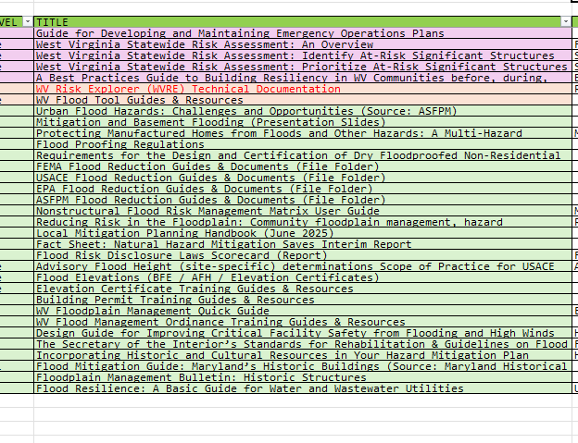

Interface Mockup
< Mitigation Measures >
Floodplain Mapping | MIT-MAP
Floodplain Management | MIT-FM
Flood Insurance | MIT-INS
Other Mitigation Measures | MIT-MEAS

