WVFRF Catalog Oct 2025
Internal | Internal | Internal | viewable to public | Internal | viewable to public | Internal | viewable to public | Internal | viewable to public | Internal | viewable to public | Internal | viewable to public | BFE | viewable to public | Internal | Used for the links | viewable to public | Advanced View | viewable to public | Advanced View | pocahontas | Used for search | viewable to public | viewable to public | viewable to public | Advanced View | Advanced View |  |  |  | Advanced View | Advanced View | Advanced View
 | 2025-10-20 | All documents moved to the HL folder. | 1 |  | 2 |  | 3 |  | A |  |  |  |  |  | B |  |  |  |  |  |  |  | 4 | 1B | 1C |  |  |  |  | Advanced View
 | Note: The green fields should be used for programming.
 |  |  |  |  |  |  |  |  |  |  |  |  |  |  | Entity |  |  |  |  |  |  |  |  | Major Group | Major Group |  |  |  |  |  |  |  | Flood | Key Material for
 |  |  | Category |  | Category |  | Category |  | Scale |  | Document Type |  | Date |  | Geog. Extent |  |  | Author | Organizational | Author | Organizational |  | Keyword | Keyword | Keyword | Disaster Event | Projects | Meeting Event |  |  | Stakeholders | Stakeholders | Visualization | Floodplain Managers
 |  |  | Query |  | Query |  | Query |  | Query |  | Query |  | Query |  | Query | External URL |  | Query | Query | Query | Query | Free Text Query | Query | Query | Query | Query | Grouping Query | Query |  |  | Query | Query | Checkbox Query | Checkbox Query
 |  |  | KeyWord1 |  | KeyWord2 |  | KeyWord3 |  |  |  |  |  | Only year (4 left digits) | File Name |  |  |  |  |  |  |  |  | KeyWord4
 |  |  | SORT 1 |  |  | SORT 2 | SORT 3B | SORT 3A |  | SORT 4 | Media_Type |  | Creation Date
QC | COLLECTION | COLL_CODE | MAJ_GROUP | MAJ_GROUP_CODE | Category_Name | CAT_Code | SubCAT_Name | SubCAT_CODE | GEOG_SCALE | SCALE_CODE | MEDIA_TYPE | Map_Type | PUB_DATE | FILE_NAME | Geog_Extent | URL | HYPERLINK | Author1 | ORG1_LEVEL | Author2 | ORG2_LEVEL | TITLE | Keyword4 | Cross-Index1 | Cross-Index2 | D_Event | Project | M_Event_Name | M_Event_Start_Year | M_Event_End_Year | STAK1 | STAK2 | Flood_VIZs | FPM_Key_Materials
 | Mitigation Measures | MIT | Floodplain Management | MIT-FM | Flood Elevation | MIT_FM_FE | Elevation Certificates | EC | State | 1WV | Slides |  | 2024 | WVSPS_Conference_LOMCs-ECs_Tim_Keaton_20240208.pdf | West Virginia |  | https://data.wvgis.wvu.edu/pub/RA/HL/Outreach/WVSPS/2024/WVSPS_Conference_LOMCs-ECs_Tim_Keaton_20240208.pdf | WV EMD | State |  |  | Presentation about ECs and LOMCs at 2024 WVSPS Conference |  | Other Mitigation Measures |  |  |  | WV SPS Conference | 2024 | 2024 | Floodplain Managers
 | Flood Disaster | FLD | Flood Disaster | FD | Flood Event | FE | 2025 February Flood | FE2025FEB | County | 5UNC | Slides |  | 2025 | 2025-02-HistoricTugForkRiverFlood_NickWebb_Slides.pdf | McDowell, Mingo |  | https://data.wvgis.wvu.edu/pub/RA/HL/FD/2025-02/Slides/2025-02-HistoricTugForkRiverFlood_NickWebb_Slides.pdf | NWS | Federal |  |  | Historic Flood along Tug Fork River (Presented by Nick Webb about Feb. 2025 Flood) |  | Other Mitigation Measures |  | 2025 February Flood |  | WV Silver Jackets Meeting | 2025 | 2025 | Risk Reduction Associates
 | Risk Assessment/Planning | RA-P | Risk Planning Resources | R-PLAN | Risk Reduction Meeting | RP_MEET | WV Flood Resiliency Framework | WVFRF | State | 1WV | Slides |  | 2025 | WV_Municipal_League_20250806.pdf | West Virginia |  | https://data.wvgis.wvu.edu/pub/RA/HL/Outreach/RiskReduction/WVFRF/20250806_WV-Municipal-League-Conf/WV_Municipal_League_20250806.pdf | WVGISTC | State | WVFRF | State | WV Risk Explorer (WVRE), WV Flood Resiliency Framework (WVFRF), & Flood Mitigation (Presented by Kurt Donaldson at 2025 WV Municipal League Conference) | Risk Index | Other Mitigation Measures |  |  | 2025 CIVIC NSF Project | WV Municipal League Conference | 2025 | 2025 | Risk Reduction Associates
 | Risk Assessment/Planning | RA-P | Risk Planning Resources | R-PLAN | Risk Reduction Meeting | RP_MEET | WV Flood Resiliency Framework | WVFRF | State | 1WV | News Article |  | 20250912 | 2025-09-12_New-Tool-Statewide-Flooding-Kanawha-CI_RealWV_Article.pdf | West Virginia |  | https://data.wvgis.wvu.edu/pub/RA/HL/WVFRF/News_Article/2025-09-12_New-Tool-Statewide-Flooding-Kanawha-CI_RealWV_Article.pdf | News |  |  |  | New tool provides data on statewide flooding; Kanawha County has high critical infrastructure flood risk (Source: RealWV) |  |  |  |  | 2025 CIVIC NSF Project | WV Joint Legislative Committee on Flooding (JLCF) | 2025 | 2025 | Risk Reduction Associates
 | Risk Assessment/Planning | RA-P | Risk Planning Resources | R-PLAN | Risk Reduction Meeting | RP_MEET | WV Flood Resiliency Framework | WVFRF | State | 1WV | Slides |  | 2024 | WVGISTC_Background_AM_20240414.pdf | West Virginia |  | https://data.wvgis.wvu.edu/pub/RA/HL/Outreach/RiskReduction/WVFRF/2024_JLCF/WVGISTC_Background_AM_20240414.pdf | WVGISTC | State |  |  | WV GIS Tech Center, Tools, and Resiliency Framework (Background Presented by Dr. Aaron Maxwell to Joint Legislative Committee on Flooding (JLCF), Apr. 2024) |  | Risk Assessment - Web Tools |  |  | 2025 CIVIC NSF Project | WV Joint Legislative Committee on Flooding (JLCF) | 2024 | 2024 | Risk Reduction Associates
 | Risk Assessment/Planning | RA-P | Risk Planning Resources | R-PLAN | Risk Reduction Meeting | RP_MEET | WV Flood Resiliency Framework | WVFRF | State | 1WV | Slides |  | 2024 | WVJLC-Presentation_FFRA-Tools_KD_20240414.pdf | West Virginia |  | https://data.wvgis.wvu.edu/pub/RA/HL/Outreach/RiskReduction/WVFRF/2024_JLCF/WVJLC-Presentation_FFRA-Tools_KD_20240414.pdf | WVGISTC | State | WVFRF | State | WV Flood Resiliency Framework Toolkit (Presented by Kurt Donaldson to Joint Legislative Committee on Flooding (JLCF), Apr. 2024) |  | Floodplain Management | Flood Disaster | 2024 April Flood | 2025 CIVIC NSF Project | WV Joint Legislative Committee on Flooding (JLCF) | 2024 | 2024 | Risk Reduction Associates
 | Risk Assessment/Planning | RA-P | Risk Planning Resources | R-PLAN | Risk Reduction Meeting | RP_MEET | WV Flood Resiliency Framework | WVFRF | State | 1WV | Slides |  | 2025 | WVJLCF-WVFRF_WVRE_Presentation_KD_BB_20250909.pdf | West Virginia |  | https://data.wvgis.wvu.edu/pub/RA/HL/Outreach/RiskReduction/WVFRF/2025_JLCF/WVJLCF-WVFRF_WVRE_Presentation_KD_BB_20250909.pdf | WVGISTC | State | WVFRF | State | WV Risk Explorer (WVRE); WV Flood Resiliency Framework (WVFRF) (Presented by Kurt Donaldson & Dr. Behrang Bidadian to Joint Legislative Committee on Flooding (JLCF), Sep. 2025) | Risk Index | Floodplain Management |  |  | 2025 CIVIC NSF Project | WV Joint Legislative Committee on Flooding (JLCF) | 2025 | 2025 | Risk Reduction Associates
...
 | or Data-Metadata
 | no WVFRF Guide and Learn Resources

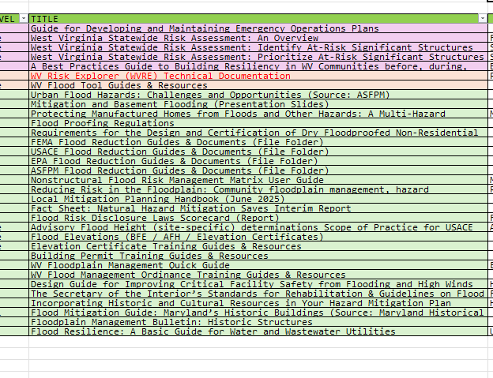

Interface Mockup
< Mitigation Measures >
Floodplain Mapping | MIT-MAP
Floodplain Management | MIT-FM
Flood Insurance | MIT-INS
Other Mitigation Measures | MIT-MEAS

