WVFRF Catalog Oct 2025
Internal | Internal | Internal | viewable to public | Internal | viewable to public | Internal | viewable to public | Internal | viewable to public | Internal | viewable to public | Internal | viewable to public | BFE | viewable to public | Internal | Used for the links | viewable to public | Advanced View | viewable to public | Advanced View | Zone | Used for search | viewable to public | viewable to public | viewable to public | Advanced View | Advanced View |  |  |  | Advanced View | Advanced View | Advanced View
 | 2025-10-22 | All documents moved to the HL folder. | 1 |  | 2 |  | 3 |  | A |  |  |  |  |  | B |  |  |  |  |  |  |  | 4 | 1B | 1C |  |  |  |  | Advanced View
 | Note: The green fields should be used for programming.
 |  |  |  |  |  |  |  |  |  |  |  |  |  |  | Entity |  |  |  |  |  |  | Check duplicate Titles |  | Major Group | Major Group |  |  |  |  |  |  |  | Flood | Key Material for
 |  |  | Category |  | Category |  | Category |  | Scale |  | Document Type |  | Date |  | Geog. Extent |  | Check duplicate links | Author | Organizational | Author | Organizational |  | Keyword | Keyword | Keyword | Disaster Event | Projects | Meeting Event |  |  | Stakeholders | Stakeholders | Visualization | Floodplain Managers
 |  |  | Query |  | Query |  | Query |  | Query |  | Query |  | Query |  | Query | External URL |  | Query | Query | Query | Query | Free Text Query | Query | Query | Query | Query | Grouping Query | Query |  |  | Query | Query | Checkbox Query | Checkbox Query
 |  |  | KeyWord1 |  | KeyWord2 |  | KeyWord3 |  |  |  |  |  | Only year (4 left digits) | File Name |  |  |  |  |  |  |  |  | KeyWord4
 |  |  | SORT 1 |  |  | SORT 2 | SORT 3B | SORT 3A |  | SORT 4 | Media_Type |  | Creation Date
QC | COLLECTION | COLL_CODE | MAJ_GROUP | MAJ_GROUP_CODE | Category_Name | CAT_Code | SubCAT_Name | SubCAT_CODE | GEOG_SCALE | SCALE_CODE | MEDIA_TYPE | Map_Type | PUB_DATE | FILE_NAME | Geog_Extent | URL | HYPERLINK | Author1 | ORG1_LEVEL | Author2 | ORG2_LEVEL | TITLE | Keyword4 | Cross-Index1 | Cross-Index2 | D_Event | Project | M_Event_Name | M_Event_Start_Year | M_Event_End_Year | STAK1 | STAK2 | Flood_VIZs | FPM_Key_Materials
 | Risk Assessment/Planning | RA-P | Risk Planning Resources | R-PLAN | Hazard Plan | HP | Community Organizations Active in Disasters | CRP | Incorporated & Uinincorporated | 4CID | Slides |  | 2024 | Williamsburg-Area-Emergency-Response-Team-WARTS_2024.pdf | Greenbrier |  | https://data.wvgis.wvu.edu/pub/RA/HL/Outreach/RiskReduction/WVFRF/2024_FloodResiliencySymposium/Williamsburg-Area-Emergency-Response-Team-WARTS_2024.pdf | WARTS | Local |  |  | Williamsburg Area Emergency Response Team (WARTS) Guide | Educating Local Officials | Floodplain Management |  | 2016 June Flood | 2025 CIVIC NSF Project | WV Flood Resiliency Symposium | 2024 | 2024 | Volunteer Groups | Emergency Responders
 | Risk Assessment/Planning | RA-P | Risk Planning Resources | R-PLAN | Hazard Plan | HP | Emergency Operations Plan | EOP | State | 1WV | Guide |  | 2021 | LTRC_Resilient_Community_Workshop-Rainelle_2018.pdf | West Virginia |  | https://data.wvgis.wvu.edu/pub/RA/HL/Outreach/RiskReduction/2018_LTRC/LTRC_Resilient_Community_Workshop-Rainelle_2018.pdf | FEMA | Federal |  |  | Guide for Developing and Maintaining Emergency Operations Plans |  |  |  |  |  |  |  |  | Emergency Responders | Risk Reduction Associates
 | Risk Assessment/Planning | RA-P | Risk Planning Resources | R-PLAN | Hazard Plan | HP | Emergency Operations Plan | EOP | State | 1WV | Plan |  | 2018 |  | West Virginia | Yes | https://data.wvgis.wvu.edu/pub/RA/HL/PL/State/WVEMD/EOP/2018/ | WV EMD | State |  |  | WV Emergency Operations Plan (2018, PDF Documents) |  | Other Mitigation Measures |  |  |  |  |  |  | Risk Reduction Associates
 | Risk Assessment/Planning | RA-P | Risk Planning Resources | R-PLAN | Hazard Plan | HP | Emergency Operations Plan | EOP | State | 1WV | Plan |  | 2018 |  | West Virginia | Yes | https://emd.wv.gov/Preparedness/Resources/Pages/WV-Emergency-Operations-Plan.aspx | WV EMD | State |  |  | WV Emergency Operations Plan (2018, Web Page) |  | Other Mitigation Measures |  |  |  |  |  |  | Risk Reduction Associates
 | Risk Assessment/Planning | RA-P | Risk Planning Resources | R-PLAN | Hazard Plan | HP | Emergency Operations Plan | EOP | State | 1WV | Plan |  | 2024 | MASTER_WVEOP-ESBedits(9Aug2024)_DRAFT.pdf | West Virginia |  | https://data.wvgis.wvu.edu/pub/RA/HL/PL/State/WVEMD/EOP/2024/MASTER_WVEOP-ESBedits(9Aug2024)_DRAFT.pdf | WV EMD | State |  |  | WV Emergency Operations Plan (2024, Draft) |  | Other Mitigation Measures |  |  |  |  |  |  | Risk Reduction Associates
 | Risk Assessment/Planning | RA-P | Risk Planning Resources | R-PLAN | Hazard Plan | HP | WV Flood Protection Plan | FPP | State | 1WV | Plan |  | 2002 | WV_State_Flood_Protection_Plan_WVCA_2002.pdf | West Virginia |  | https://data.wvgis.wvu.edu/pub/RA/HL/PL/State/WVCA/WV_State_Flood_Protection_Plan_WVCA_2002.pdf | WV CA | State |  |  | WV Flood Protection Plan (2002) |  | Other Mitigation Measures |  |  |  |  |  |  | Risk Reduction Associates
 | Risk Assessment/Planning | RA-P | Risk Planning Resources | R-PLAN | Hazard Plan | HP | WV Hazard Mitigation Plan | HMP | State | 1WV | Plan |  | 2020 | WV_CDBGMIT_Draft_Action_Plan_For_Public_Comment.pdf | West Virginia |  | https://data.wvgis.wvu.edu/pub/RA/HL/PL/State/WVDO/WV_CDBGMIT_Draft_Action_Plan_For_Public_Comment.pdf | WV DO | State |  |  | WV Community Development Block Grant (CDBG) – Mitigation Draft Proposed Action Plan |  | Other Mitigation Measures |  |  |  |  |  |  | Risk Reduction Associates
 | Risk Assessment/Planning | RA-P | Risk Planning Resources | R-PLAN | Hazard Plan | HP | WV Hazard Mitigation Plan | HMP | State | 1WV | Guide |  | 2024 | 1_WV_Risk_Assessment_Overview_FEMA_20240325.pdf | West Virginia |  | https://data.wvgis.wvu.edu/pub/RA/HL/RA-S/Guides/HMP_Guides/1_WV_Risk_Assessment_Overview_FEMA_20240325.pdf | FEMA | State | WVGISTC | State | West Virginia Statewide Risk Assessment: An Overview | Flood Risk Assessment |  |  |  |  |  |  |  | Risk Reduction Associates
 | Risk Assessment/Planning | RA-P | Risk Planning Resources | R-PLAN | Hazard Plan | HP | WV Hazard Mitigation Plan | HMP | State | 1WV | Guide |  | 2024 | 2_WV_Risk_Assessment_Identify_AtRisk_Significant_Structures_FEMA_20240325.pdf | West Virginia |  | https://data.wvgis.wvu.edu/pub/RA/HL/RA-S/Guides/HMP_Guides/2_WV_Risk_Assessment_Identify_AtRisk_Significant_Structures_FEMA_20240325.pdf | FEMA | State | WVGISTC | State | West Virginia Statewide Risk Assessment: Identify At-Risk Significant Structures | Significant Structures |  |  |  |  |  |  |  | Risk Reduction Associates
...
 | or Data-Metadata
 | no WVFRF Guide and Learn Resources

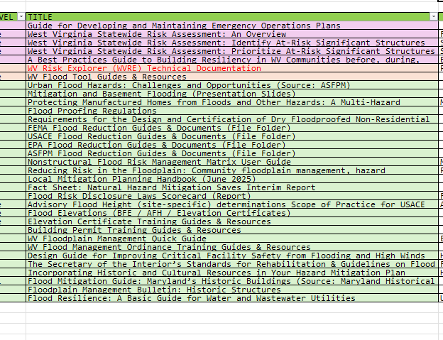

Interface Mockup
< Mitigation Measures >
Floodplain Mapping | MIT-MAP
Floodplain Management | MIT-FM
Flood Insurance | MIT-INS
Other Mitigation Measures | MIT-MEAS

