WV CRS Review KAD 20191026
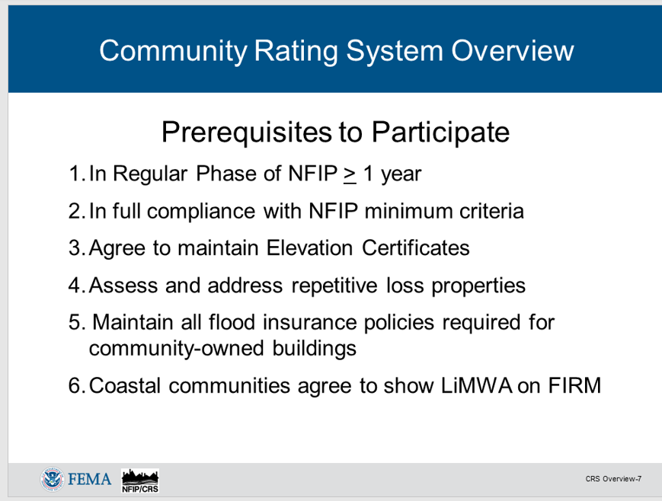
Compiled by Kurt Donaldson
CRS Activities and Elements | CRS Code | Description | Max. Points | Page | US CRS 75% | WV CRS | Community Questions | Web | GIS Source Data | Special Notes | Related Activities

200 Series: Procedures
213a, 222 |  | Buildings in the SFHA (bSF) |  | 210-13 | US | WV | Do you know the current total number of buildings in the effective SFHA (bSF)? This is required for a CRS Application/Renewal and for impact adjustments of certain CRS credits. | Flood Tool | Flood Risk Assessment GIS | Item 6 of CRS Program Data Table. bSF needed for impact adjustment. | 301a, 302a
213a, 222 |  | Acreage of the SFHA (aSFHA) |  | 210-13 | US | WV | Do you know the current acreage of the SFHA (aSFHA)? This is required for a CRS Application/Renewal and for impact adjustments of certain CRS credits. | CID Web | Flood Risk Assessment GIS, Changes Since Last FIRM | Item 13 of CRS Program Data Table, aSFHA needed for impact adjustment. Use the FEMA CSLF layer to compute Item 11. | 403b, 403e
210 |  | Insured Community-owned Buildings |  | 210-2 | US | WV | Does your community maintain flood insurance policies required for all community-owned buildings? |  | Local Government Bldgs. | CRS Class 9 Pre-requisite

300 Series: Public Information Activities
310 (Elevation Certificates)
a | EC | Elevation Certificates after CRS application | 38 | 310-12 | US | WV | Do you keep FEMA Elevation Certificates on all new buildings and substantial improvements in the SFHA and check that they are correctly filled out? This also applies to FEMA Flood-proofing Certificates. | Food Tool | Elevation Ceriticates - FPM | CRS Class 9 Pre-requisite | 330a, 350c, 440a
b | ECPO | Elevation Certificate on post-FIRM buildings | 48 | 310-13 |  |  | Do you have FEMA Elevation Certificates on buildings built before your CRS application? |  |  | Building year can be obtained from assessment records
c | ECPR | Elevation Certificate on pre-FIRM buildings | 30 | 310-15 |  |  |  |  |  | Building year can be obtained from assessment records
320 (Map Information Service)
a | MI1 | Providing insurance information from FIRM | 30 | 320-8 | US | WV | Do you provide basic FIRM information? Do you log inquiries form the public? | Food Tool | Basic FIRM Information; FEMA NFHL | Prerequisite for the rest of the elements. Refer to 321.b Activity Credit Criteria. Keep a record of service using Building Identifier.
b | MI2 | Floodway info | 20 | 320-10 | US | WV | Do you provide information about the Regulatory Floodway? How many structures are located in floodway? | Food Tool | FEMA NFHL
c | MI3 | Other flood problems not shown on FIRM | 20 | 320-11 |  | WV | Do you provide information about the 500-YR Flood Zone or High Risk Advisory Zones? Do you provide information about dam/levee failure inundation zones? | Flood Tool | 500-YR Floodplains; Levee-protected zones; High Risk Advisory Zones | No dam or levee breach maps are published to the WV Flood Tool at the moment. Ongoing interagency coordination between FEMA and USACE.
d | MI4 | Flood depth data | 20 | 320-11 |  | WV | Do you provide information about water depths? Which community structures have highest water depths? | Food Tool | Depth Grids (HEC-RAS and Hazus); Flood heights and ground elevations
e | MI5 | Special flood-related hazards | 20 | 320-13 |  | ? | Do you provide information about special flood-related hazards such as debris flows or landslides? | Flood Tool | Landslide Inventory: Debris Flows/Mudflows | The inquirers must be told what precautions should be taken when developing or improving properties in the vicinity of hazard mudflows. Link to Landslide Mitigation web page.
f | MI6 | Historical/repetitive flood information | 20 | 320-14 |  | ? | Do you provide public information about past flooding to include reviewing repetitive loss areas? This can include transportation or other infrastructure (highways, railroads, bridges; etc.) closed because of high water. | Flood Tool | USGS HWM, Mapped Repetitive Loss Areas, Story Maps | Relevant available information should be provided, such as the dates of past flooding in the area, whether people were killed or injured, and the amount of warning time. Listing of closed highways and bridges during flood events. Some of this information may be available from the community’s floodplain management or hazard mitigation plan or the community’s CRS Self Assessment conducted under Section 240. Link to Community Profiles with relevant Flood Disaster History information to include Story Maps.
g | MI7 | Natural floodplain functions | 20 | 320-15 |  | WV | Have you identified and mapped areas that should be protected because of their natural floodplain functions? | Food Tool | NWI Wetlands/WV WRR; USFWS/State DNR critical habitats
 |  |  | 150 |  |  | 90 |  |  |  | The max credit for Activity 320 is 90 points. | 321b

330 (Outreach Projects)
a | OP | Outreach projects | 200 | 330-6 | US | WV | Do you provide flood-related informational brochure, flyer, or other document that is set out for the public to pick up? Has your community implemented informational, general, and targeted outreach projects? | CID Web
b | FRP | Flood response preparations | 50 | 330-9
c | PPI | Program for Public Information bonus | N/A | 330-14
d | STK | Stakeholder bonus | 50 | 330-20
340 (Hazard Disclosure)
a | DFH | Real estate agent disclosure of SFHA | 35 | 340-3 |  |  | Do real estate agents notify those interested in purchasing properties located in the SFHA about the flood hazard and the flood insurance purchase requirement?
b | ODR | Other disclosure requirements | 25 | 340-5 | US | WV | Does the community have a law or ordinance language that requires one or more disclosure methods prior to the time of sale or rental of a property? | CID Web
c | REB | Real estate brochure | 12 | 340-7 |  |  | Do real estate agents give house hunters a brochure or handout advising them to check out the flood hazard before they buy?
d | DOH | Disclosure of other hazards | 8 | 340-10 |  |  | Does the community have a disclosure of other hazards (DOH) like dam and levee failure?
350 (Flood Protection Information)
a | LIB | Library | 10 | 350-3 | US | WV | Are the FEMA publications listed in Figure 350-1 of CRS Manual cataloged and available in the community’s library?
b | LPD | Locally pertinent documents in the library | 10 | 350-5 |  | WV | Are other locally pertinent documents (LPD) in the community’s local public library?
c | WEB | Website | 105 | 350-7 | US | WV | Are you posting of Elevation Certificates, real-time gage information, and flood protection messages conveyed under Activity 330 (Outreach Projects) on a website? | Flood Tool |  |  | 330
360 (Flood Protection Assistance)
a | PPA | Property protection advice | 40 | 360-4 |  | WV | Do you visit homes and help people determine how they could reduce their flooding or drainage problem?
b | PPV | Advice after a site visit | 45 | 360-6
c | FAA | Financial assistance advice | 15 | 360-7
d | TNG | Training | 10 | 360-10
370 (Flood Insurance Promotion)
a | FIA | Flood insurance assessment | 15 | 370-3 |  |  | Have you reviewed all your community's flood insurance policies and analyzed where coverage should be improved?
b | CP | Coverage plan | 15 | 370-6
c | CPI | Plan implementation | 60 | 370-9
d | TA | Technical assistance | 20 | 370-12

400 Series: Mapping and Regulations |  |  | Max. Points | Page | US CRS | WV CRS | Community Questions | Web | Source Data | Special Notes | Related Activities
410 (Floodplain Mapping)
a | NS | New study | 350 | 410-8 |  | ? | Have you conducted your own flood studies (not FEMA sponsored) and do you use the data when regulating new development? |  |  | Communities that have received this credit: Berekeley and Jefferson counties; Buckhannon, Martinsburg. Resolve with Christina Groves regarding credit for Advisory Flood Heights in Approximate A Zones.
b | LEV | Leverage | N/A | 410-14
c | SR | State review | 60 | 410-16
d | HSS | Higher study standards | 200 | 410-18 |  | WV | Has the community implemented a higher flood study standard? |  |  | Credit awarded to Berkeley County and town of Buckhannon
e | FWS | Floodway standard | 140 | 410-21
f | MAPSH | Special hazards mapping | 100 | 410-24 |  |  | Mapping of debris flow or mudflow hazards.
420 (Open Space Preservation)
a | OSP | Preserved open space | 1,450 | 420-3 | US | WV | What percentage of your Special Flood Hazard Area is kept as park or other publicly preserved open space? | Flood Tool | PAD-US and other protected land sourcees. Buyout properties. | Credited open space includes public parks, athletic fields, golf courses, church camps, hunting clubs, and other green space that will be preserved as open space.
b | DR | Deed restriction | 50 | 420-12 |  | WV | How many parcels in the SFHA are deed restricted and always remain open space? | Flood Tool | Buyout Properties | The restriction cannot be changed by a future owner; rather, it can only be amended by a court for just cause. Note that every parcel for DR credit must have already qualified for OSP credit.
c | NFOS | Natural functions open space | 350 | 420-14 |  | WV | Are some of those parks or other publicly preserved open spaces preserved in or restored to their original natural state? | Flood Tool |  | OSP parcels that are preserved in or restored to their natural state. on, graded, or farmed), designated as critical habitat for T&E species, or "green-infrastructure" corridors
d | SHOS | Special hazards open space | 150 | 420-19
e | CEOS | Coastal erosion open space | 750 | 420-20
f | OSI | Open space incentives | 250 | 420-21 |  | WV | Has your community adopted regulations for farmland preservation, drainage easements, or for other vacant land purposes?
g | LZ | Low density zoning | 600 | 420-28
h | NSP | Natural shoreline protection | 120 | 420-30
430 (Higher Regulatory Standards)
a | DL | Development limitations | 1,330 | 430-6 |  | WV | Does your community prohibit filling or require compensatory storage in all or parts of the SFHA? Does your community prohibit certain types of buildings from all or parts of the SFHA? Does your community prohibit or limit the storage of hazardous materials from all or parts of the SFHA? | CID Web |  | Relevant Ordinance
b | FRB | Freeboard | 500 | 430-11 |  | WV | What is your community's freeboard requirement? | CID Web
c | FDN | Foundation protection | 80 | 430-16 |  | WV | Does your community provide foundation protection regulatoions thta protects against differential settling as well as scour and erosion? | CID Web
d | CSI | Cumulative substantial improvements | 90 | 430-18 |  | WV | Do you track building improvements and repairs cumulatively and add the values up to reach the 50% threshold? | CID Web
e | LSI | Lower substantial improvements | 20 | 430-19 |  | WV | Is the regulatory threshold for determining if a building is substantially improved or substantially damaged less than 50%? | CID Web
f | PCF | Protection of critical facilities | 80 | 430-21 |  |  | Do you require critical facilities to be protected to the 500-year flood level? |  | HSIP Freedom and other sources | Risk Assessment; Building Identifier List
g | ENL | Enclosure limits | 240 | 430-23 |  | WV | Do you require a non conversion agreement signed by the permit applicant for an elevated building? |  |  | Relevant Ordinance
h | BC | Building code | 100 | 430-26 |  | WV | Does your community enforce the International Building and Residential Codes (IBC and IRC)? Does your community have a BCEGS rating? | CID Web
i | LDP | Local drainage protection | 120 | 430-30 |  | WV | Does your commmunity provide regulations that ensure that every new building will be built so that it is protected from local drainage flooding? | CID Web
...

Resource links
...
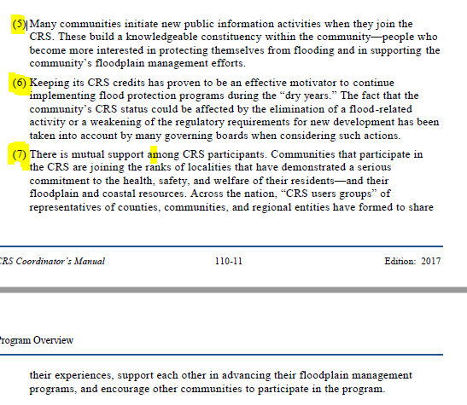

Benefits
BENEFITS (2017 Coordinator's Manual)

